Lois Bernouilli + Binomiale
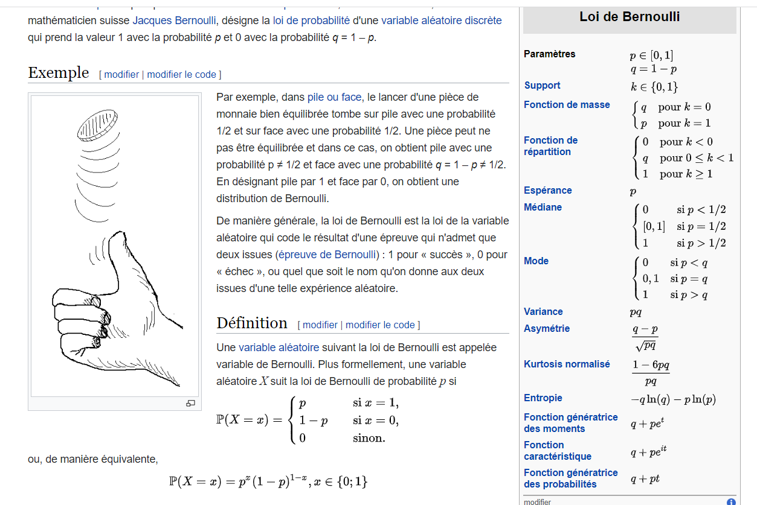
Bernoulli |  | When Outcome is BINARY |  |  | ONLY ONE THROW |  |  |  |  | LOI BINOMIALE: PROBABILITE DOBTERNIR K SUCCESS |  |  |  |  | LOI GEOMETRIQUE: PROBABILITE DOBTENIR LE PREMIER SUCCESS AU RANG K
 |  |  |  |  |  |  |  |  |  |  |  |  |  |  | p(k)=q^(k-1) x p
 |  |  |  |  |  |  |  |  |  |  |  |  |  |  | p | 0.2
 |  |  |  |  |  |  |  |  |  |  |  |  |  |  | q | 0.8

 |  |  |  |  |  |  |  |  |  |  |  |  |  |  | 1er success au rang 10 |  | 10
 |  |  |  |  |  |  |  |  |  |  |  |  |  |  | 0.0268435456

Distribution of B(100 , 0.15)

 |  |  |  |  |  |  |  |  |  |  |  | 36.97% | Cumul
 |  |  |  |  |  |  |  |  |  |  | 0 | 0.4 | 0.36603
 |  |  |  |  |  |  |  |  |  |  | 1 | 0.4 | 0.73576
 |  |  |  |  |  |  |  |  |  |  | 2 | 0.2 | 0.92063
 |  |  |  |  |  |  |  |  |  |  | 3 | 0.1 | 0.98163
 |  |  |  |  |  |  | num | Parametres |  |  | 4 | 0.0 | 0.99657
 |  |  |  |  |  |  | 100 | 100 | rolls |  | 5 | 0.0 | 0.99947
 |  |  |  |  |  |  | 0.01 | 1 | successes |  | 6 | 0.0 | 0.99993
 |  |  |  |  |  |  | 0.36972964 | 0.01 | success p |  | 7 | 0.0 | 0.99999
 |  |  |  |  |  |  |  | 0.99 | q |  | 8 | 0.0 | 1.00000
Loi Binomiale |  | Bernouilli repetee mulitple times |  |  |  |  | Resultat |  |  |  | 9 | 0.0 | 1.00000
 |  |  |  |  |  |  | 36.97% |  |  |  | 10 | 0.0 | 1.00000
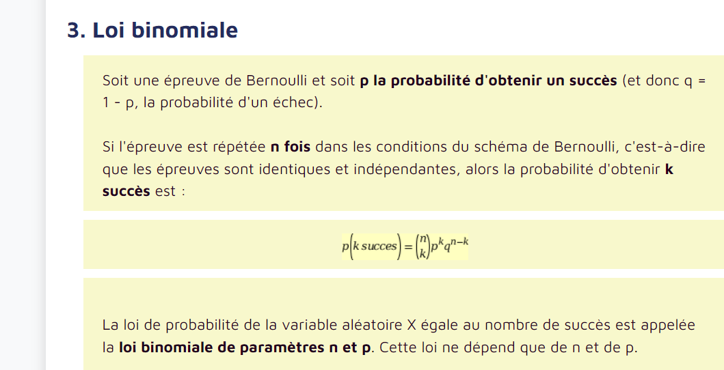
 |  |  |  |  |  |  |  |  |  |  | 11 | 0.0 | 1.00000
Cumulative Distribution function (CDF)
 |  |  |  |  |  |  |  |  |  |  | 12 | 0.0 | 1.00000
 |  |  |  |  |  |  |  |  |  |  | 13 | 0.0 | 1.00000
 |  |  |  |  |  |  |  |  |  |  | 14 | 0.0 | 1.00000
 |  |  |  |  |  |  |  |  |  |  | 15 | 0.0 | 1.00000
 |  |  |  |  |  |  |  |  |  |  | 16 | 0.0 | 1.00000
 |  |  |  |  |  |  |  |  |  |  | 17 | 0.0 | 1.00000
 |  |  |  |  |  |  |  |  |  |  | 18 | 0.0 | 1.00000
 |  |  |  |  |  |  |  |  |  |  | 19 | 0.0 | 1.00000
 |  |  |  |  |  |  |  |  |  |  | 20 | 0.0 | 1.00000
 |  |  |  |  |  |  |  |  |  |  | 21 | 0.0 | 1.00000
 |  |  |  |  |  |  |  |  |  |  | 22 | 0.0 | 1.00000
 |  |  |  |  |  |  |  |  |  |  | 23 | 0.0 | 1.00000
 |  |  |  |  |  |  |  |  |  |  | 24 | 0.0 | 1.00000
 |  |  |  |  |  |  |  |  |  |  | 25 | 0.0 | 1.00000
 |  |  |  |  |  |  |  |  |  |  | 26 | 0.0 | 1.00000
 |  |  |  |  |  |  |  |  |  |  | 27 | 0.0 | 1.00000
 |  |  |  |  |  |  |  |  |  |  | 28 | 0.0 | 1.00000
 |  |  |  |  |  |  |  |  |  |  | 29 | 0.0 | 1.00000
 |  |  |  |  |  |  |  |  | - |  | 30 | 0.0 | 1.00000
 |  |  |  |  |  |  |  |  | - |  | 31 | 0.0 | 1.00000
p | 2 | w | q | n |  |  |  |  |  |  | 32 | 0.0 | 1.00000
0.01 | 2.7182818285 | 20 | 0.99 | 100 |  |  |  |  |  |  | 33 | 0.0 | 1.00000
 |  |  |  |  |  |  |  |  |  |  | 34 | 0.0 | 1.00000
 |  |  |  |  |  |  |  |  |  |  | 35 | 0.0 | 1.00000
36.6032341% |  |  | n | 100 | 9.3326215444E+157 |  |  |  |  |  | 36 | 0.0 | 1.00000
 |  |  | k | 1 | 9.3326215444E+155 | 100 |  |  |  |  | 37 | 0.0 | 1.00000
 |  |  |  |  |  |  |  |  |  |  | 38 | 0.0 | 1.00000 | someone got HIV
Cumulative probability of catch HIV
 |  |  |  |  |  |  |  |  |  |  | 39 | 0.0 | 1.00000 | This person has a 1/100 chance to transmit to his/her partner each time they have sex
 |  |  | p | 0.01 |  |  |  |  |  |  | 40 | 0.0 | 1.00000 | They have sex a 100 times.
 |  |  | p^k |  |  | 0.01 |  |  |  |  | 41 | 0.0 | 1.00000 | what the probability of the partner being infected?
 |  |  |  |  |  |  |  |  |  |  | 42 | 0.0 | 1.00000 | what if they have sex 1000 times?
 |  |  |  |  |  |  |  |  |  |  | 43 | 0.0 | 1.00000
 |  |  | q^(n-k) |  |  | 0.36972963765 |  |  |  |  | 44 | 0.0 | 1.00000 | a coin has a 0.01/0.99 probability to fall on tails
 |  |  |  |  |  |  |  |  |  |  | 45 | 0.0 | 1.00000 | we flip the coin 100 times
 |  |  |  |  |  | 0.36972963765 |  |  |  |  | 46 | 0.0 | 1.00000 | what is the probability to get 0 tails?
 |  |  |  |  |  |  |  |  |  |  | 47 | 0.0 | 1.00000 | what if we flip it a 1000 times
 |  |  |  |  |  |  |  |  |  |  | 48 | 0.0 | 1.00000 |  | 0.01
 |  |  |  |  |  |  |  |  |  |  | 49 | 0.0 | 1.00000 | P(X=0 tails) | 0.99
 |  |  |  |  |  |  |  |  |  |  | 50 | 0.0 | 1.00000 | 1-p(X>=1) |  |  |  | 0.99 | 0.95 | 0.9
 |  |  |  |  |  |  |  |  |  |  | 51 | 0.0 | 1.00000 | sexual | p-catch HIV 1% | 5% | 10% | q | q | q
 |  |  |  |  |  |  |  |  |  |  | 52 | 0.0 | 1.00000 | 1 | 0.01 | 0.05 | 0.10 | 0.99000 | 0.95000 | 0.90000
 |  |  |  |  |  |  |  |  |  |  | 53 | 0.0 | 1.00000 | 2 | 0.02 | 0.10 | 0.19 | 0.98010 | 0.90250 | 0.81000
 |  |  |  |  |  |  |  |  |  |  | 54 | 0.0 | 1.00000 | 3 | 0.03 | 0.14 | 0.27 | 0.97030 | 0.85737 | 0.72900
 |  |  |  |  |  |  |  |  |  |  | 55 | 0.0 | 1.00000 | 4 | 0.04 | 0.19 | 0.34 | 0.96060 | 0.81451 | 0.65610
 |  |  |  |  |  |  |  |  |  |  | 56 | 0.0 | 1.00000 | 5 | 0.05 | 0.23 | 0.41 | 0.95099 | 0.77378 | 0.59049
 |  |  |  |  |  |  |  |  |  |  | 57 | 0.0 | 1.00000 | 6 | 0.06 | 0.26 | 0.47 | 0.94148 | 0.73509 | 0.53144
 |  |  |  |  |  |  |  |  |  |  | 58 | 0.0 | 1.00000 | 7 | 0.07 | 0.30 | 0.52 | 0.93207 | 0.69834 | 0.47830
 |  |  |  |  |  |  |  |  |  |  | 59 | 0.0 | 1.00000 | 8 | 0.08 | 0.34 | 0.57 | 0.92274 | 0.66342 | 0.43047
 |  |  |  |  |  |  |  |  |  |  | 60 | 0.0 | 1.00000 | 9 | 0.09 | 0.37 | 0.61 | 0.91352 | 0.63025 | 0.38742
 |  |  |  |  |  |  |  |  |  |  | 61 | 0.0 | 1.00000 | 10 | 0.10 | 0.40 | 0.65 | 0.90438 | 0.59874 | 0.34868
 |  |  |  |  |  |  |  |  |  |  | 62 | 0.0 | 1.00000 | 11 | 0.10 | 0.43 | 0.69 | 0.89534 | 0.56880 | 0.31381
 |  |  |  |  |  |  |  |  |  |  | 63 | 0.0 | 1.00000 | 12 | 0.11 | 0.46 | 0.72 | 0.88638 | 0.54036 | 0.28243
 |  |  |  |  |  |  |  |  |  |  | 64 | 0.0 | 1.00000 | 13 | 0.12 | 0.49 | 0.75 | 0.87752 | 0.51334 | 0.25419
 |  |  |  |  |  |  |  |  |  |  | 65 | 0.0 | 1.00000 | 14 | 0.13 | 0.51 | 0.77 | 0.86875 | 0.48767 | 0.22877
 |  |  |  |  |  |  |  |  |  |  | 66 | 0.0 | 1.00000 | 15 | 0.14 | 0.54 | 0.79 | 0.86006 | 0.46329 | 0.20589
 |  |  |  |  |  |  |  |  |  |  | 67 | 0.0 | 1.00000 | 16 | 0.15 | 0.56 | 0.81 | 0.85146 | 0.44013 | 0.18530
 |  |  |  |  |  |  |  |  |  |  | 68 | 0.0 | 1.00000 | 17 | 0.16 | 0.58 | 0.83 | 0.84294 | 0.41812 | 0.16677
 |  |  |  |  |  |  |  |  |  |  | 69 | 0.0 | 1.00000 | 18 | 0.17 | 0.60 | 0.85 | 0.83451 | 0.39721 | 0.15009
 |  |  |  |  |  |  |  |  |  |  | 70 | 0.0 | 1.00000 | 19 | 0.17 | 0.62 | 0.86 | 0.82617 | 0.37735 | 0.13509
 |  |  |  |  |  |  |  |  |  |  | 71 | 0.0 | 1.00000 | 20 | 0.18 | 0.64 | 0.88 | 0.81791 | 0.35849 | 0.12158
 |  |  |  |  |  |  |  |  |  |  | 72 | 0.0 | 1.00000 | 21 | 0.19 | 0.66 | 0.89 | 0.80973 | 0.34056 | 0.10942
 |  |  |  |  |  |  |  |  |  |  | 73 | 0.0 | 1.00000 | 22 | 0.20 | 0.68 | 0.90 | 0.80163 | 0.32353 | 0.09848
 |  |  |  |  |  |  |  |  |  |  | 74 | 0.0 | 1.00000 | 23 | 0.21 | 0.69 | 0.91 | 0.79361 | 0.30736 | 0.08863
 |  |  |  |  |  |  |  |  |  |  | 75 | 0.0 | 1.00000 | 24 | 0.21 | 0.71 | 0.92 | 0.78568 | 0.29199 | 0.07977
 |  |  |  |  |  |  |  |  |  |  | 76 | 0.0 | 1.00000 | 25 | 0.22 | 0.72 | 0.93 | 0.77782 | 0.27739 | 0.07179
 |  |  |  |  |  |  |  |  |  |  | 77 | 0.0 | 1.00000 | 26 | 0.23 | 0.74 | 0.94 | 0.77004 | 0.26352 | 0.06461
 |  |  |  |  |  |  |  |  |  |  | 78 | 0.0 | 1.00000 | 27 | 0.24 | 0.75 | 0.94 | 0.76234 | 0.25034 | 0.05815
 |  |  |  |  |  |  |  |  |  |  | 79 | 0.0 | 1.00000 | 28 | 0.25 | 0.76 | 0.95 | 0.75472 | 0.23783 | 0.05233
 |  |  |  |  |  |  |  |  |  |  | 80 | 0.0 | 1.00000 | 29 | 0.25 | 0.77 | 0.95 | 0.74717 | 0.22594 | 0.04710
 |  |  |  |  |  |  |  |  |  |  | 81 | 0.0 | 1.00000 | 30 | 0.26 | 0.79 | 0.96 | 0.73970 | 0.21464 | 0.04239
 |  |  |  |  |  |  |  |  |  |  | 82 | 0.0 | 1.00000 | 31 | 0.27 | 0.80 | 0.96 | 0.73230 | 0.20391 | 0.03815
 |  |  |  |  |  |  |  |  |  |  | 83 | 0.0 | 1.00000 | 32 | 0.28 | 0.81 | 0.97 | 0.72498 | 0.19371 | 0.03434
 |  |  |  |  |  |  |  |  |  |  | 84 | 0.0 | 1.00000 | 33 | 0.28 | 0.82 | 0.97 | 0.71773 | 0.18403 | 0.03090
 |  |  |  |  |  |  |  |  |  |  | 85 | 0.0 | 1.00000 | 34 | 0.29 | 0.83 | 0.97 | 0.71055 | 0.17482 | 0.02781
 |  |  |  |  |  |  |  |  |  |  | 86 | 0.0 | 1.00000 | 35 | 0.30 | 0.83 | 0.97 | 0.70345 | 0.16608 | 0.02503
 |  |  |  |  |  |  |  |  |  |  | 87 | 0.0 | 1.00000 | 36 | 0.30 | 0.84 | 0.98 | 0.69641 | 0.15778 | 0.02253
 |  |  |  |  |  |  |  |  |  |  | 88 | 0.0 | 1.00000 | 37 | 0.31 | 0.85 | 0.98 | 0.68945 | 0.14989 | 0.02028
 |  |  |  |  |  |  |  |  |  |  | 89 | 0.0 | 1.00000 | 38 | 0.32 | 0.86 | 0.98 | 0.68255 | 0.14240 | 0.01825
 |  |  |  |  |  |  |  |  |  |  | 90 | 0.0 | 1.00000 | 39 | 0.32 | 0.86 | 0.98 | 0.67573 | 0.13528 | 0.01642
 |  |  |  |  |  |  |  |  |  |  | 91 | 0.0 | 1.00000 | 40 | 0.33 | 0.87 | 0.99 | 0.66897 | 0.12851 | 0.01478
 |  |  |  |  |  |  |  |  |  |  | 92 | 0.0 | 1.00000 | 41 | 0.34 | 0.88 | 0.99 | 0.66228 | 0.12209 | 0.01330
 |  |  |  |  |  |  |  |  |  |  | 93 | 0.0 | 1.00000 | 42 | 0.34 | 0.88 | 0.99 | 0.65566 | 0.11598 | 0.01197
 |  |  |  |  |  |  |  |  |  |  | 94 | 0.0 | 1.00000 | 43 | 0.35 | 0.89 | 0.99 | 0.64910 | 0.11018 | 0.01078
 |  |  |  |  |  |  |  |  |  |  | 95 | 0.0 | 1.00000 | 44 | 0.36 | 0.90 | 0.99 | 0.64261 | 0.10467 | 0.00970
 |  |  |  |  |  |  |  |  |  |  | 96 | 0.0 | 1.00000 | 45 | 0.36 | 0.90 | 0.99 | 0.63619 | 0.09944 | 0.00873
 |  |  |  |  |  |  |  |  |  |  | 97 | 0.0 | 1.00000 | 46 | 0.37 | 0.91 | 0.99 | 0.62982 | 0.09447 | 0.00786
 |  |  |  |  |  |  |  |  |  |  | 98 | 0.0 | 1.00000 | 47 | 0.38 | 0.91 | 0.99 | 0.62353 | 0.08974 | 0.00707
 |  |  |  |  |  |  |  |  |  |  | 99 | 0.0 | 1.00000 | 48 | 0.38 | 0.91 | 0.99 | 0.61729 | 0.08526 | 0.00636
 |  |  |  |  |  |  |  |  |  |  |  |  |  | 49 | 0.39 | 0.92 | 0.99 | 0.61112 | 0.08099 | 0.00573
 |  |  |  |  |  |  |  |  |  |  |  |  |  | 50 | 0.39 | 0.92 | 0.99 | 0.60501 | 0.07694 | 0.00515
 |  |  |  |  |  |  |  |  |  |  |  |  |  | 51 | 0.40 | 0.93 | 1.00 | 0.59896 | 0.07310 | 0.00464
 |  |  |  |  |  |  |  |  |  |  |  |  |  | 52 | 0.41 | 0.93 | 1.00 | 0.59297 | 0.06944 | 0.00417
 |  |  |  |  |  |  |  |  |  |  |  |  |  | 53 | 0.41 | 0.93 | 1.00 | 0.58704 | 0.06597 | 0.00376
 |  |  |  |  |  |  |  |  |  |  |  |  |  | 54 | 0.42 | 0.94 | 1.00 | 0.58117 | 0.06267 | 0.00338
 |  |  |  |  |  |  |  |  |  |  |  |  |  | 55 | 0.42 | 0.94 | 1.00 | 0.57535 | 0.05954 | 0.00304
 |  |  |  |  |  |  |  |  |  |  |  |  |  | 56 | 0.43 | 0.94 | 1.00 | 0.56960 | 0.05656 | 0.00274
 |  |  |  |  |  |  |  |  |  |  |  |  |  | 57 | 0.44 | 0.95 | 1.00 | 0.56391 | 0.05373 | 0.00247
 |  |  |  |  |  |  |  |  |  |  |  |  |  | 58 | 0.44 | 0.95 | 1.00 | 0.55827 | 0.05105 | 0.00222
 |  |  |  |  |  |  |  |  |  |  |  |  |  | 59 | 0.45 | 0.95 | 1.00 | 0.55268 | 0.04849 | 0.00200
 |  |  |  |  |  |  |  |  |  |  |  |  |  | 60 | 0.45 | 0.95 | 1.00 | 0.54716 | 0.04607 | 0.00180
 |  |  |  |  |  |  |  |  |  |  |  |  |  | 61 | 0.46 | 0.96 | 1.00 | 0.54169 | 0.04377 | 0.00162
 |  |  |  |  |  |  |  |  |  |  |  |  |  | 62 | 0.46 | 0.96 | 1.00 | 0.53627 | 0.04158 | 0.00146
 |  |  |  |  |  |  |  |  |  |  |  |  |  | 63 | 0.47 | 0.96 | 1.00 | 0.53091 | 0.03950 | 0.00131
 |  |  |  |  |  |  |  |  |  |  |  |  |  | 64 | 0.47 | 0.96 | 1.00 | 0.52560 | 0.03752 | 0.00118
 |  |  |  |  |  |  |  |  |  |  |  |  |  | 65 | 0.48 | 0.96 | 1.00 | 0.52034 | 0.03565 | 0.00106
 |  |  |  |  |  |  |  |  |  |  |  |  |  | 66 | 0.48 | 0.97 | 1.00 | 0.51514 | 0.03387 | 0.00096
 |  |  |  |  |  |  |  |  |  |  |  |  |  | 67 | 0.49 | 0.97 | 1.00 | 0.50999 | 0.03217 | 0.00086
 |  |  |  |  |  |  |  |  |  |  |  |  |  | 68 | 0.50 | 0.97 | 1.00 | 0.50489 | 0.03056 | 0.00077
 |  |  |  |  |  |  |  |  |  |  |  |  |  | 69 | 0.50 | 0.97 | 1.00 | 0.49984 | 0.02904 | 0.00070
 |  |  |  |  |  |  |  |  |  |  |  |  |  | 70 | 0.51 | 0.97 | 1.00 | 0.49484 | 0.02758 | 0.00063
 |  |  |  |  |  |  |  |  |  |  |  |  |  | 71 | 0.51 | 0.97 | 1.00 | 0.48989 | 0.02620 | 0.00056
 |  |  |  |  |  |  |  |  |  |  |  |  |  | 72 | 0.52 | 0.98 | 1.00 | 0.48499 | 0.02489 | 0.00051
 |  |  |  |  |  |  |  |  |  |  |  |  |  | 73 | 0.52 | 0.98 | 1.00 | 0.48014 | 0.02365 | 0.00046
 |  |  |  |  |  |  |  |  |  |  |  |  |  | 74 | 0.52 | 0.98 | 1.00 | 0.47534 | 0.02247 | 0.00041
 |  |  |  |  |  |  |  |  |  |  |  |  |  | 75 | 0.53 | 0.98 | 1.00 | 0.47059 | 0.02134 | 0.00037
 |  |  |  |  |  |  |  |  |  |  |  |  |  | 76 | 0.53 | 0.98 | 1.00 | 0.46588 | 0.02028 | 0.00033
 |  |  |  |  |  |  |  |  |  |  |  |  |  | 77 | 0.54 | 0.98 | 1.00 | 0.46122 | 0.01926 | 0.00030
 |  |  |  |  |  |  |  |  |  |  |  |  |  | 78 | 0.54 | 0.98 | 1.00 | 0.45661 | 0.01830 | 0.00027
 |  |  |  |  |  |  |  |  |  |  |  |  |  | 79 | 0.55 | 0.98 | 1.00 | 0.45204 | 0.01738 | 0.00024
 |  |  |  |  |  |  |  |  |  |  |  |  |  | 80 | 0.55 | 0.98 | 1.00 | 0.44752 | 0.01652 | 0.00022
 |  |  |  |  |  |  |  |  |  |  |  |  |  | 81 | 0.56 | 0.98 | 1.00 | 0.44305 | 0.01569 | 0.00020
 |  |  |  |  |  |  |  |  |  |  |  |  |  | 82 | 0.56 | 0.99 | 1.00 | 0.43862 | 0.01491 | 0.00018
 |  |  |  |  |  |  |  |  |  |  |  |  |  | 83 | 0.57 | 0.99 | 1.00 | 0.43423 | 0.01416 | 0.00016
 |  |  |  |  |  |  |  |  |  |  |  |  |  | 84 | 0.57 | 0.99 | 1.00 | 0.42989 | 0.01345 | 0.00014
 |  |  |  |  |  |  |  |  |  |  |  |  |  | 85 | 0.57 | 0.99 | 1.00 | 0.42559 | 0.01278 | 0.00013
 |  |  |  |  |  |  |  |  |  |  |  |  |  | 86 | 0.58 | 0.99 | 1.00 | 0.42133 | 0.01214 | 0.00012
 |  |  |  |  |  |  |  |  |  |  |  |  |  | 87 | 0.58 | 0.99 | 1.00 | 0.41712 | 0.01153 | 0.00010
 |  |  |  |  |  |  |  |  |  |  |  |  |  | 88 | 0.59 | 0.99 | 1.00 | 0.41295 | 0.01096 | 0.00009
 |  |  |  |  |  |  |  |  |  |  |  |  |  | 89 | 0.59 | 0.99 | 1.00 | 0.40882 | 0.01041 | 0.00008
 |  |  |  |  |  |  |  |  |  |  |  |  |  | 90 | 0.60 | 0.99 | 1.00 | 0.40473 | 0.00989 | 0.00008
 |  |  |  |  |  |  |  |  |  |  |  |  |  | 91 | 0.60 | 0.99 | 1.00 | 0.40068 | 0.00939 | 0.00007
 |  |  |  |  |  |  |  |  |  |  |  |  |  | 92 | 0.60 | 0.99 | 1.00 | 0.39668 | 0.00892 | 0.00006
 |  |  |  |  |  |  |  |  |  |  |  |  |  | 93 | 0.61 | 0.99 | 1.00 | 0.39271 | 0.00848 | 0.00006
 |  |  |  |  |  |  |  |  |  |  |  |  |  | 94 | 0.61 | 0.99 | 1.00 | 0.38878 | 0.00805 | 0.00005
 |  |  |  |  |  |  |  |  |  |  |  |  |  | 95 | 0.62 | 0.99 | 1.00 | 0.38490 | 0.00765 | 0.00004
 |  |  |  |  |  |  |  |  |  |  |  |  |  | 96 | 0.62 | 0.99 | 1.00 | 0.38105 | 0.00727 | 0.00004
 |  |  |  |  |  |  |  |  |  |  |  |  |  | 97 | 0.62 | 0.99 | 1.00 | 0.37724 | 0.00691 | 0.00004
 |  |  |  |  |  |  |  |  |  |  |  |  |  | 98 | 0.63 | 0.99 | 1.00 | 0.37346 | 0.00656 | 0.00003
 |  |  |  |  |  |  |  |  |  |  |  |  |  | 99 | 0.63 | 0.99 | 1.00 | 0.36973 | 0.00623 | 0.00003
 |  |  |  |  |  |  |  |  |  |  |  |  |  | 100 | 0.63 | 0.99 | 1.00 | 0.36603 | 0.00592 | 0.00003
 |  |  |  |  |  |  |  |  |  |  |  |  |  | 101 | 0.64 | 0.99 | 1.00 | 0.36237 | 0.00562 | 0.00002
 |  |  |  |  |  |  |  |  |  |  |  |  |  | 102 | 0.64 | 0.99 | 1.00 | 0.35875 | 0.00534 | 0.00002
 |  |  |  |  |  |  |  |  |  |  |  |  |  | 103 | 0.64 | 0.99 | 1.00 | 0.35516 | 0.00508 | 0.00002
 |  |  |  |  |  |  |  |  |  |  |  |  |  | 104 | 0.65 | 1.00 | 1.00 | 0.35161 | 0.00482 | 0.00002
 |  |  |  |  |  |  |  |  |  |  |  |  |  | 105 | 0.65 | 1.00 | 1.00 | 0.34809 | 0.00458 | 0.00002
 |  |  |  |  |  |  |  |  |  |  |  |  |  | 106 | 0.66 | 1.00 | 1.00 | 0.34461 | 0.00435 | 0.00001
 |  |  |  |  |  |  |  |  |  |  |  |  |  | 107 | 0.66 | 1.00 | 1.00 | 0.34117 | 0.00413 | 0.00001
 |  |  |  |  |  |  |  |  |  |  |  |  |  | 108 | 0.66 | 1.00 | 1.00 | 0.33775 | 0.00393 | 0.00001
 |  |  |  |  |  |  |  |  |  |  |  |  |  | 109 | 0.67 | 1.00 | 1.00 | 0.33438 | 0.00373 | 0.00001
 |  |  |  |  |  |  |  |  |  |  |  |  |  | 110 | 0.67 | 1.00 | 1.00 | 0.33103 | 0.00354 | 0.00001
 |  |  |  |  |  |  |  |  |  |  |  |  |  | 111 | 0.67 | 1.00 | 1.00 | 0.32772 | 0.00337 | 0.00001
 |  |  |  |  |  |  |  |  |  |  |  |  |  | 112 | 0.68 | 1.00 | 1.00 | 0.32445 | 0.00320 | 0.00001
 |  |  |  |  |  |  |  |  |  |  |  |  |  | 113 | 0.68 | 1.00 | 1.00 | 0.32120 | 0.00304 | 0.00001
 |  |  |  |  |  |  |  |  |  |  |  |  |  | 114 | 0.68 | 1.00 | 1.00 | 0.31799 | 0.00289 | 0.00001
 |  |  |  |  |  |  |  |  |  |  |  |  |  | 115 | 0.69 | 1.00 | 1.00 | 0.31481 | 0.00274 | 0.00001
 |  |  |  |  |  |  |  |  |  |  |  |  |  | 116 | 0.69 | 1.00 | 1.00 | 0.31166 | 0.00261 | 0.00000
 |  |  |  |  |  |  |  |  |  |  |  |  |  | 117 | 0.69 | 1.00 | 1.00 | 0.30854 | 0.00248 | 0.00000
 |  |  |  |  |  |  |  |  |  |  |  |  |  | 118 | 0.69 | 1.00 | 1.00 | 0.30546 | 0.00235 | 0.00000
 |  |  |  |  |  |  |  |  |  |  |  |  |  | 119 | 0.70 | 1.00 | 1.00 | 0.30240 | 0.00223 | 0.00000
 |  |  |  |  |  |  |  |  |  |  |  |  |  | 120 | 0.70 | 1.00 | 1.00 | 0.29938 | 0.00212 | 0.00000
 |  |  |  |  |  |  |  |  |  |  |  |  |  | 121 | 0.70 | 1.00 | 1.00 | 0.29639 | 0.00202 | 0.00000
 |  |  |  |  |  |  |  |  |  |  |  |  |  | 122 | 0.71 | 1.00 | 1.00 | 0.29342 | 0.00192 | 0.00000
 |  |  |  |  |  |  |  |  |  |  |  |  |  | 123 | 0.71 | 1.00 | 1.00 | 0.29049 | 0.00182 | 0.00000
 |  |  |  |  |  |  |  |  |  |  |  |  |  | 124 | 0.71 | 1.00 | 1.00 | 0.28758 | 0.00173 | 0.00000
 |  |  |  |  |  |  |  |  |  |  |  |  |  | 125 | 0.72 | 1.00 | 1.00 | 0.28471 | 0.00164 | 0.00000
 |  |  |  |  |  |  |  |  |  |  |  |  |  | 126 | 0.72 | 1.00 | 1.00 | 0.28186 | 0.00156 | 0.00000
 |  |  |  |  |  |  |  |  |  |  |  |  |  | 127 | 0.72 | 1.00 | 1.00 | 0.27904 | 0.00148 | 0.00000
 |  |  |  |  |  |  |  |  |  |  |  |  |  | 128 | 0.72 | 1.00 | 1.00 | 0.27625 | 0.00141 | 0.00000
 |  |  |  |  |  |  |  |  |  |  |  |  |  | 129 | 0.73 | 1.00 | 1.00 | 0.27349 | 0.00134 | 0.00000
 |  |  |  |  |  |  |  |  |  |  |  |  |  | 130 | 0.73 | 1.00 | 1.00 | 0.27075 | 0.00127 | 0.00000
 |  |  |  |  |  |  |  |  |  |  |  |  |  | 131 | 0.73 | 1.00 | 1.00 | 0.26805 | 0.00121 | 0.00000
 |  |  |  |  |  |  |  |  |  |  |  |  |  | 132 | 0.73 | 1.00 | 1.00 | 0.26537 | 0.00115 | 0.00000
 |  |  |  |  |  |  |  |  |  |  |  |  |  | 133 | 0.74 | 1.00 | 1.00 | 0.26271 | 0.00109 | 0.00000
 |  |  |  |  |  |  |  |  |  |  |  |  |  | 134 | 0.74 | 1.00 | 1.00 | 0.26009 | 0.00104 | 0.00000
 |  |  |  |  |  |  |  |  |  |  |  |  |  | 135 | 0.74 | 1.00 | 1.00 | 0.25748 | 0.00098 | 0.00000
 |  |  |  |  |  |  |  |  |  |  |  |  |  | 136 | 0.75 | 1.00 | 1.00 | 0.25491 | 0.00093 | 0.00000
 |  |  |  |  |  |  |  |  |  |  |  |  |  | 137 | 0.75 | 1.00 | 1.00 | 0.25236 | 0.00089 | 0.00000
 |  |  |  |  |  |  |  |  |  |  |  |  |  | 138 | 0.75 | 1.00 | 1.00 | 0.24984 | 0.00084 | 0.00000
 |  |  |  |  |  |  |  |  |  |  |  |  |  | 139 | 0.75 | 1.00 | 1.00 | 0.24734 | 0.00080 | 0.00000
 |  |  |  |  |  |  |  |  |  |  |  |  |  | 140 | 0.76 | 1.00 | 1.00 | 0.24487 | 0.00076 | 0.00000
 |  |  |  |  |  |  |  |  |  |  |  |  |  | 141 | 0.76 | 1.00 | 1.00 | 0.24242 | 0.00072 | 0.00000
 |  |  |  |  |  |  |  |  |  |  |  |  |  | 142 | 0.76 | 1.00 | 1.00 | 0.23999 | 0.00069 | 0.00000
 |  |  |  |  |  |  |  |  |  |  |  |  |  | 143 | 0.76 | 1.00 | 1.00 | 0.23759 | 0.00065 | 0.00000
 |  |  |  |  |  |  |  |  |  |  |  |  |  | 144 | 0.76 | 1.00 | 1.00 | 0.23522 | 0.00062 | 0.00000
 |  |  |  |  |  |  |  |  |  |  |  |  |  | 145 | 0.77 | 1.00 | 1.00 | 0.23286 | 0.00059 | 0.00000
 |  |  |  |  |  |  |  |  |  |  |  |  |  | 146 | 0.77 | 1.00 | 1.00 | 0.23054 | 0.00056 | 0.00000
 |  |  |  |  |  |  |  |  |  |  |  |  |  | 147 | 0.77 | 1.00 | 1.00 | 0.22823 | 0.00053 | 0.00000
 |  |  |  |  |  |  |  |  |  |  |  |  |  | 148 | 0.77 | 1.00 | 1.00 | 0.22595 | 0.00050 | 0.00000
 |  |  |  |  |  |  |  |  |  |  |  |  |  | 149 | 0.78 | 1.00 | 1.00 | 0.22369 | 0.00048 | 0.00000
 |  |  |  |  |  |  |  |  |  |  |  |  |  | 150 | 0.78 | 1.00 | 1.00 | 0.22145 | 0.00046 | 0.00000
 |  |  |  |  |  |  |  |  |  |  |  |  |  | 151 | 0.78 | 1.00 | 1.00 | 0.21924 | 0.00043 | 0.00000
 |  |  |  |  |  |  |  |  |  |  |  |  |  | 152 | 0.78 | 1.00 | 1.00 | 0.21704 | 0.00041 | 0.00000
 |  |  |  |  |  |  |  |  |  |  |  |  |  | 153 | 0.79 | 1.00 | 1.00 | 0.21487 | 0.00039 | 0.00000
 |  |  |  |  |  |  |  |  |  |  |  |  |  | 154 | 0.79 | 1.00 | 1.00 | 0.21273 | 0.00037 | 0.00000
 |  |  |  |  |  |  |  |  |  |  |  |  |  | 155 | 0.79 | 1.00 | 1.00 | 0.21060 | 0.00035 | 0.00000
 |  |  |  |  |  |  |  |  |  |  |  |  |  | 156 | 0.79 | 1.00 | 1.00 | 0.20849 | 0.00033 | 0.00000
 |  |  |  |  |  |  |  |  |  |  |  |  |  | 157 | 0.79 | 1.00 | 1.00 | 0.20641 | 0.00032 | 0.00000
 |  |  |  |  |  |  |  |  |  |  |  |  |  | 158 | 0.80 | 1.00 | 1.00 | 0.20434 | 0.00030 | 0.00000
 |  |  |  |  |  |  |  |  |  |  |  |  |  | 159 | 0.80 | 1.00 | 1.00 | 0.20230 | 0.00029 | 0.00000
 |  |  |  |  |  |  |  |  |  |  |  |  |  | 160 | 0.80 | 1.00 | 1.00 | 0.20028 | 0.00027 | 0.00000
 |  |  |  |  |  |  |  |  |  |  |  |  |  | 161 | 0.80 | 1.00 | 1.00 | 0.19827 | 0.00026 | 0.00000
 |  |  |  |  |  |  |  |  |  |  |  |  |  | 162 | 0.80 | 1.00 | 1.00 | 0.19629 | 0.00025 | 0.00000
 |  |  |  |  |  |  |  |  |  |  |  |  |  | 163 | 0.81 | 1.00 | 1.00 | 0.19433 | 0.00023 | 0.00000
 |  |  |  |  |  |  |  |  |  |  |  |  |  | 164 | 0.81 | 1.00 | 1.00 | 0.19239 | 0.00022 | 0.00000
 |  |  |  |  |  |  |  |  |  |  |  |  |  | 165 | 0.81 | 1.00 | 1.00 | 0.19046 | 0.00021 | 0.00000
 |  |  |  |  |  |  |  |  |  |  |  |  |  | 166 | 0.81 | 1.00 | 1.00 | 0.18856 | 0.00020 | 0.00000
 |  |  |  |  |  |  |  |  |  |  |  |  |  | 167 | 0.81 | 1.00 | 1.00 | 0.18667 | 0.00019 | 0.00000
 |  |  |  |  |  |  |  |  |  |  |  |  |  | 168 | 0.82 | 1.00 | 1.00 | 0.18480 | 0.00018 | 0.00000
 |  |  |  |  |  |  |  |  |  |  |  |  |  | 169 | 0.82 | 1.00 | 1.00 | 0.18296 | 0.00017 | 0.00000
 |  |  |  |  |  |  |  |  |  |  |  |  |  | 170 | 0.82 | 1.00 | 1.00 | 0.18113 | 0.00016 | 0.00000
 |  |  |  |  |  |  |  |  |  |  |  |  |  | 171 | 0.82 | 1.00 | 1.00 | 0.17932 | 0.00016 | 0.00000
 |  |  |  |  |  |  |  |  |  |  |  |  |  | 172 | 0.82 | 1.00 | 1.00 | 0.17752 | 0.00015 | 0.00000
 |  |  |  |  |  |  |  |  |  |  |  |  |  | 173 | 0.82 | 1.00 | 1.00 | 0.17575 | 0.00014 | 0.00000
 |  |  |  |  |  |  |  |  |  |  |  |  |  | 174 | 0.83 | 1.00 | 1.00 | 0.17399 | 0.00013 | 0.00000
 |  |  |  |  |  |  |  |  |  |  |  |  |  | 175 | 0.83 | 1.00 | 1.00 | 0.17225 | 0.00013 | 0.00000
 |  |  |  |  |  |  |  |  |  |  |  |  |  | 176 | 0.83 | 1.00 | 1.00 | 0.17053 | 0.00012 | 0.00000
 |  |  |  |  |  |  |  |  |  |  |  |  |  | 177 | 0.83 | 1.00 | 1.00 | 0.16882 | 0.00011 | 0.00000
 |  |  |  |  |  |  |  |  |  |  |  |  |  | 178 | 0.83 | 1.00 | 1.00 | 0.16713 | 0.00011 | 0.00000
 |  |  |  |  |  |  |  |  |  |  |  |  |  | 179 | 0.83 | 1.00 | 1.00 | 0.16546 | 0.00010 | 0.00000
 |  |  |  |  |  |  |  |  |  |  |  |  |  | 180 | 0.84 | 1.00 | 1.00 | 0.16381 | 0.00010 | 0.00000
 |  |  |  |  |  |  |  |  |  |  |  |  |  | 181 | 0.84 | 1.00 | 1.00 | 0.16217 | 0.00009 | 0.00000
 |  |  |  |  |  |  |  |  |  |  |  |  |  | 182 | 0.84 | 1.00 | 1.00 | 0.16055 | 0.00009 | 0.00000
 |  |  |  |  |  |  |  |  |  |  |  |  |  | 183 | 0.84 | 1.00 | 1.00 | 0.15894 | 0.00008 | 0.00000
 |  |  |  |  |  |  |  |  |  |  |  |  |  | 184 | 0.84 | 1.00 | 1.00 | 0.15735 | 0.00008 | 0.00000
 |  |  |  |  |  |  |  |  |  |  |  |  |  | 185 | 0.84 | 1.00 | 1.00 | 0.15578 | 0.00008 | 0.00000
 |  |  |  |  |  |  |  |  |  |  |  |  |  | 186 | 0.85 | 1.00 | 1.00 | 0.15422 | 0.00007 | 0.00000
 |  |  |  |  |  |  |  |  |  |  |  |  |  | 187 | 0.85 | 1.00 | 1.00 | 0.15268 | 0.00007 | 0.00000
 |  |  |  |  |  |  |  |  |  |  |  |  |  | 188 | 0.85 | 1.00 | 1.00 | 0.15115 | 0.00006 | 0.00000
 |  |  |  |  |  |  |  |  |  |  |  |  |  | 189 | 0.85 | 1.00 | 1.00 | 0.14964 | 0.00006 | 0.00000
 |  |  |  |  |  |  |  |  |  |  |  |  |  | 190 | 0.85 | 1.00 | 1.00 | 0.14814 | 0.00006 | 0.00000
 |  |  |  |  |  |  |  |  |  |  |  |  |  | 191 | 0.85 | 1.00 | 1.00 | 0.14666 | 0.00006 | 0.00000
 |  |  |  |  |  |  |  |  |  |  |  |  |  | 192 | 0.85 | 1.00 | 1.00 | 0.14520 | 0.00005 | 0.00000
 |  |  |  |  |  |  |  |  |  |  |  |  |  | 193 | 0.86 | 1.00 | 1.00 | 0.14374 | 0.00005 | 0.00000
 |  |  |  |  |  |  |  |  |  |  |  |  |  | 194 | 0.86 | 1.00 | 1.00 | 0.14231 | 0.00005 | 0.00000
 |  |  |  |  |  |  |  |  |  |  |  |  |  | 195 | 0.86 | 1.00 | 1.00 | 0.14088 | 0.00005 | 0.00000
 |  |  |  |  |  |  |  |  |  |  |  |  |  | 196 | 0.86 | 1.00 | 1.00 | 0.13948 | 0.00004 | 0.00000
 |  |  |  |  |  |  |  |  |  |  |  |  |  | 197 | 0.86 | 1.00 | 1.00 | 0.13808 | 0.00004 | 0.00000
 |  |  |  |  |  |  |  |  |  |  |  |  |  | 198 | 0.86 | 1.00 | 1.00 | 0.13670 | 0.00004 | 0.00000
 |  |  |  |  |  |  |  |  |  |  |  |  |  | 199 | 0.86 | 1.00 | 1.00 | 0.13533 | 0.00004 | 0.00000
 |  |  |  |  |  |  |  |  |  |  |  |  |  | 200 | 0.87 | 1.00 | 1.00 | 0.13398 | 0.00004 | 0.00000
 |  |  |  |  |  |  |  |  |  |  |  |  |  | 201 | 0.87 | 1.00 | 1.00 | 0.13264 | 0.00003 | 0.00000
 |  |  |  |  |  |  |  |  |  |  |  |  |  | 202 | 0.87 | 1.00 | 1.00 | 0.13131 | 0.00003 | 0.00000
 |  |  |  |  |  |  |  |  |  |  |  |  |  | 203 | 0.87 | 1.00 | 1.00 | 0.13000 | 0.00003 | 0.00000
 |  |  |  |  |  |  |  |  |  |  |  |  |  | 204 | 0.87 | 1.00 | 1.00 | 0.12870 | 0.00003 | 0.00000
 |  |  |  |  |  |  |  |  |  |  |  |  |  | 205 | 0.87 | 1.00 | 1.00 | 0.12741 | 0.00003 | 0.00000
 |  |  |  |  |  |  |  |  |  |  |  |  |  | 206 | 0.87 | 1.00 | 1.00 | 0.12614 | 0.00003 | 0.00000
 |  |  |  |  |  |  |  |  |  |  |  |  |  | 207 | 0.88 | 1.00 | 1.00 | 0.12488 | 0.00002 | 0.00000
 |  |  |  |  |  |  |  |  |  |  |  |  |  | 208 | 0.88 | 1.00 | 1.00 | 0.12363 | 0.00002 | 0.00000
 |  |  |  |  |  |  |  |  |  |  |  |  |  | 209 | 0.88 | 1.00 | 1.00 | 0.12239 | 0.00002 | 0.00000
 |  |  |  |  |  |  |  |  |  |  |  |  |  | 210 | 0.88 | 1.00 | 1.00 | 0.12117 | 0.00002 | 0.00000
 |  |  |  |  |  |  |  |  |  |  |  |  |  | 211 | 0.88 | 1.00 | 1.00 | 0.11996 | 0.00002 | 0.00000
 |  |  |  |  |  |  |  |  |  |  |  |  |  | 212 | 0.88 | 1.00 | 1.00 | 0.11876 | 0.00002 | 0.00000
 |  |  |  |  |  |  |  |  |  |  |  |  |  | 213 | 0.88 | 1.00 | 1.00 | 0.11757 | 0.00002 | 0.00000
 |  |  |  |  |  |  |  |  |  |  |  |  |  | 214 | 0.88 | 1.00 | 1.00 | 0.11639 | 0.00002 | 0.00000
 |  |  |  |  |  |  |  |  |  |  |  |  |  | 215 | 0.88 | 1.00 | 1.00 | 0.11523 | 0.00002 | 0.00000
 |  |  |  |  |  |  |  |  |  |  |  |  |  | 216 | 0.89 | 1.00 | 1.00 | 0.11408 | 0.00002 | 0.00000
 |  |  |  |  |  |  |  |  |  |  |  |  |  | 217 | 0.89 | 1.00 | 1.00 | 0.11294 | 0.00001 | 0.00000
 |  |  |  |  |  |  |  |  |  |  |  |  |  | 218 | 0.89 | 1.00 | 1.00 | 0.11181 | 0.00001 | 0.00000
 |  |  |  |  |  |  |  |  |  |  |  |  |  | 219 | 0.89 | 1.00 | 1.00 | 0.11069 | 0.00001 | 0.00000
 |  |  |  |  |  |  |  |  |  |  |  |  |  | 220 | 0.89 | 1.00 | 1.00 | 0.10958 | 0.00001 | 0.00000
 |  |  |  |  |  |  |  |  |  |  |  |  |  | 221 | 0.89 | 1.00 | 1.00 | 0.10849 | 0.00001 | 0.00000
 |  |  |  |  |  |  |  |  |  |  |  |  |  | 222 | 0.89 | 1.00 | 1.00 | 0.10740 | 0.00001 | 0.00000
 |  |  |  |  |  |  |  |  |  |  |  |  |  | 223 | 0.89 | 1.00 | 1.00 | 0.10633 | 0.00001 | 0.00000
 |  |  |  |  |  |  |  |  |  |  |  |  |  | 224 | 0.89 | 1.00 | 1.00 | 0.10526 | 0.00001 | 0.00000
 |  |  |  |  |  |  |  |  |  |  |  |  |  | 225 | 0.90 | 1.00 | 1.00 | 0.10421 | 0.00001 | 0.00000
 |  |  |  |  |  |  |  |  |  |  |  |  |  | 226 | 0.90 | 1.00 | 1.00 | 0.10317 | 0.00001 | 0.00000
 |  |  |  |  |  |  |  |  |  |  |  |  |  | 227 | 0.90 | 1.00 | 1.00 | 0.10214 | 0.00001 | 0.00000
 |  |  |  |  |  |  |  |  |  |  |  |  |  | 228 | 0.90 | 1.00 | 1.00 | 0.10112 | 0.00001 | 0.00000
 |  |  |  |  |  |  |  |  |  |  |  |  |  | 229 | 0.90 | 1.00 | 1.00 | 0.10011 | 0.00001 | 0.00000
 |  |  |  |  |  |  |  |  |  |  |  |  |  | 230 | 0.90 | 1.00 | 1.00 | 0.09910 | 0.00001 | 0.00000
 |  |  |  |  |  |  |  |  |  |  |  |  |  | 231 | 0.90 | 1.00 | 1.00 | 0.09811 | 0.00001 | 0.00000
 |  |  |  |  |  |  |  |  |  |  |  |  |  | 232 | 0.90 | 1.00 | 1.00 | 0.09713 | 0.00001 | 0.00000
 |  |  |  |  |  |  |  |  |  |  |  |  |  | 233 | 0.90 | 1.00 | 1.00 | 0.09616 | 0.00001 | 0.00000
 |  |  |  |  |  |  |  |  |  |  |  |  |  | 234 | 0.90 | 1.00 | 1.00 | 0.09520 | 0.00001 | 0.00000
 |  |  |  |  |  |  |  |  |  |  |  |  |  | 235 | 0.91 | 1.00 | 1.00 | 0.09425 | 0.00001 | 0.00000
 |  |  |  |  |  |  |  |  |  |  |  |  |  | 236 | 0.91 | 1.00 | 1.00 | 0.09331 | 0.00001 | 0.00000
 |  |  |  |  |  |  |  |  |  |  |  |  |  | 237 | 0.91 | 1.00 | 1.00 | 0.09237 | 0.00001 | 0.00000
 |  |  |  |  |  |  |  |  |  |  |  |  |  | 238 | 0.91 | 1.00 | 1.00 | 0.09145 | 0.00000 | 0.00000
 |  |  |  |  |  |  |  |  |  |  |  |  |  | 239 | 0.91 | 1.00 | 1.00 | 0.09053 | 0.00000 | 0.00000
 |  |  |  |  |  |  |  |  |  |  |  |  |  | 240 | 0.91 | 1.00 | 1.00 | 0.08963 | 0.00000 | 0.00000
 |  |  |  |  |  |  |  |  |  |  |  |  |  | 241 | 0.91 | 1.00 | 1.00 | 0.08873 | 0.00000 | 0.00000
 |  |  |  |  |  |  |  |  |  |  |  |  |  | 242 | 0.91 | 1.00 | 1.00 | 0.08785 | 0.00000 | 0.00000
 |  |  |  |  |  |  |  |  |  |  |  |  |  | 243 | 0.91 | 1.00 | 1.00 | 0.08697 | 0.00000 | 0.00000
 |  |  |  |  |  |  |  |  |  |  |  |  |  | 244 | 0.91 | 1.00 | 1.00 | 0.08610 | 0.00000 | 0.00000
 |  |  |  |  |  |  |  |  |  |  |  |  |  | 245 | 0.91 | 1.00 | 1.00 | 0.08524 | 0.00000 | 0.00000
 |  |  |  |  |  |  |  |  |  |  |  |  |  | 246 | 0.92 | 1.00 | 1.00 | 0.08438 | 0.00000 | 0.00000
 |  |  |  |  |  |  |  |  |  |  |  |  |  | 247 | 0.92 | 1.00 | 1.00 | 0.08354 | 0.00000 | 0.00000
 |  |  |  |  |  |  |  |  |  |  |  |  |  | 248 | 0.92 | 1.00 | 1.00 | 0.08270 | 0.00000 | 0.00000
 |  |  |  |  |  |  |  |  |  |  |  |  |  | 249 | 0.92 | 1.00 | 1.00 | 0.08188 | 0.00000 | 0.00000
 |  |  |  |  |  |  |  |  |  |  |  |  |  | 250 | 0.92 | 1.00 | 1.00 | 0.08106 | 0.00000 | 0.00000
 |  |  |  |  |  |  |  |  |  |  |  |  |  | 251 | 0.92 | 1.00 | 1.00 | 0.08025 | 0.00000 | 0.00000
 |  |  |  |  |  |  |  |  |  |  |  |  |  | 252 | 0.92 | 1.00 | 1.00 | 0.07945 | 0.00000 | 0.00000
 |  |  |  |  |  |  |  |  |  |  |  |  |  | 253 | 0.92 | 1.00 | 1.00 | 0.07865 | 0.00000 | 0.00000
 |  |  |  |  |  |  |  |  |  |  |  |  |  | 254 | 0.92 | 1.00 | 1.00 | 0.07786 | 0.00000 | 0.00000
 |  |  |  |  |  |  |  |  |  |  |  |  |  | 255 | 0.92 | 1.00 | 1.00 | 0.07709 | 0.00000 | 0.00000
 |  |  |  |  |  |  |  |  |  |  |  |  |  | 256 | 0.92 | 1.00 | 1.00 | 0.07631 | 0.00000 | 0.00000
 |  |  |  |  |  |  |  |  |  |  |  |  |  | 257 | 0.92 | 1.00 | 1.00 | 0.07555 | 0.00000 | 0.00000
 |  |  |  |  |  |  |  |  |  |  |  |  |  | 258 | 0.93 | 1.00 | 1.00 | 0.07480 | 0.00000 | 0.00000
 |  |  |  |  |  |  |  |  |  |  |  |  |  | 259 | 0.93 | 1.00 | 1.00 | 0.07405 | 0.00000 | 0.00000
 |  |  |  |  |  |  |  |  |  |  |  |  |  | 260 | 0.93 | 1.00 | 1.00 | 0.07331 | 0.00000 | 0.00000
 |  |  |  |  |  |  |  |  |  |  |  |  |  | 261 | 0.93 | 1.00 | 1.00 | 0.07257 | 0.00000 | 0.00000
 |  |  |  |  |  |  |  |  |  |  |  |  |  | 262 | 0.93 | 1.00 | 1.00 | 0.07185 | 0.00000 | 0.00000
 |  |  |  |  |  |  |  |  |  |  |  |  |  | 263 | 0.93 | 1.00 | 1.00 | 0.07113 | 0.00000 | 0.00000
 |  |  |  |  |  |  |  |  |  |  |  |  |  | 264 | 0.93 | 1.00 | 1.00 | 0.07042 | 0.00000 | 0.00000
 |  |  |  |  |  |  |  |  |  |  |  |  |  | 265 | 0.93 | 1.00 | 1.00 | 0.06972 | 0.00000 | 0.00000
 |  |  |  |  |  |  |  |  |  |  |  |  |  | 266 | 0.93 | 1.00 | 1.00 | 0.06902 | 0.00000 | 0.00000
 |  |  |  |  |  |  |  |  |  |  |  |  |  | 267 | 0.93 | 1.00 | 1.00 | 0.06833 | 0.00000 | 0.00000
 |  |  |  |  |  |  |  |  |  |  |  |  |  | 268 | 0.93 | 1.00 | 1.00 | 0.06764 | 0.00000 | 0.00000
 |  |  |  |  |  |  |  |  |  |  |  |  |  | 269 | 0.93 | 1.00 | 1.00 | 0.06697 | 0.00000 | 0.00000
 |  |  |  |  |  |  |  |  |  |  |  |  |  | 270 | 0.93 | 1.00 | 1.00 | 0.06630 | 0.00000 | 0.00000
 |  |  |  |  |  |  |  |  |  |  |  |  |  | 271 | 0.93 | 1.00 | 1.00 | 0.06564 | 0.00000 | 0.00000
 |  |  |  |  |  |  |  |  |  |  |  |  |  | 272 | 0.94 | 1.00 | 1.00 | 0.06498 | 0.00000 | 0.00000
 |  |  |  |  |  |  |  |  |  |  |  |  |  | 273 | 0.94 | 1.00 | 1.00 | 0.06433 | 0.00000 | 0.00000
 |  |  |  |  |  |  |  |  |  |  |  |  |  | 274 | 0.94 | 1.00 | 1.00 | 0.06369 | 0.00000 | 0.00000
 |  |  |  |  |  |  |  |  |  |  |  |  |  | 275 | 0.94 | 1.00 | 1.00 | 0.06305 | 0.00000 | 0.00000
 |  |  |  |  |  |  |  |  |  |  |  |  |  | 276 | 0.94 | 1.00 | 1.00 | 0.06242 | 0.00000 | 0.00000
 |  |  |  |  |  |  |  |  |  |  |  |  |  | 277 | 0.94 | 1.00 | 1.00 | 0.06179 | 0.00000 | 0.00000
 |  |  |  |  |  |  |  |  |  |  |  |  |  | 278 | 0.94 | 1.00 | 1.00 | 0.06118 | 0.00000 | 0.00000
 |  |  |  |  |  |  |  |  |  |  |  |  |  | 279 | 0.94 | 1.00 | 1.00 | 0.06056 | 0.00000 | 0.00000
 |  |  |  |  |  |  |  |  |  |  |  |  |  | 280 | 0.94 | 1.00 | 1.00 | 0.05996 | 0.00000 | 0.00000
 |  |  |  |  |  |  |  |  |  |  |  |  |  | 281 | 0.94 | 1.00 | 1.00 | 0.05936 | 0.00000 | 0.00000
 |  |  |  |  |  |  |  |  |  |  |  |  |  | 282 | 0.94 | 1.00 | 1.00 | 0.05877 | 0.00000 | 0.00000
 |  |  |  |  |  |  |  |  |  |  |  |  |  | 283 | 0.94 | 1.00 | 1.00 | 0.05818 | 0.00000 | 0.00000
 |  |  |  |  |  |  |  |  |  |  |  |  |  | 284 | 0.94 | 1.00 | 1.00 | 0.05760 | 0.00000 | 0.00000
 |  |  |  |  |  |  |  |  |  |  |  |  |  | 285 | 0.94 | 1.00 | 1.00 | 0.05702 | 0.00000 | 0.00000
 |  |  |  |  |  |  |  |  |  |  |  |  |  | 286 | 0.94 | 1.00 | 1.00 | 0.05645 | 0.00000 | 0.00000
 |  |  |  |  |  |  |  |  |  |  |  |  |  | 287 | 0.94 | 1.00 | 1.00 | 0.05589 | 0.00000 | 0.00000
 |  |  |  |  |  |  |  |  |  |  |  |  |  | 288 | 0.94 | 1.00 | 1.00 | 0.05533 | 0.00000 | 0.00000
 |  |  |  |  |  |  |  |  |  |  |  |  |  | 289 | 0.95 | 1.00 | 1.00 | 0.05477 | 0.00000 | 0.00000
 |  |  |  |  |  |  |  |  |  |  |  |  |  | 290 | 0.95 | 1.00 | 1.00 | 0.05423 | 0.00000 | 0.00000
 |  |  |  |  |  |  |  |  |  |  |  |  |  | 291 | 0.95 | 1.00 | 1.00 | 0.05368 | 0.00000 | 0.00000
 |  |  |  |  |  |  |  |  |  |  |  |  |  | 292 | 0.95 | 1.00 | 1.00 | 0.05315 | 0.00000 | 0.00000
 |  |  |  |  |  |  |  |  |  |  |  |  |  | 293 | 0.95 | 1.00 | 1.00 | 0.05262 | 0.00000 | 0.00000
 |  |  |  |  |  |  |  |  |  |  |  |  |  | 294 | 0.95 | 1.00 | 1.00 | 0.05209 | 0.00000 | 0.00000
 |  |  |  |  |  |  |  |  |  |  |  |  |  | 295 | 0.95 | 1.00 | 1.00 | 0.05157 | 0.00000 | 0.00000
 |  |  |  |  |  |  |  |  |  |  |  |  |  | 296 | 0.95 | 1.00 | 1.00 | 0.05105 | 0.00000 | 0.00000
 |  |  |  |  |  |  |  |  |  |  |  |  |  | 297 | 0.95 | 1.00 | 1.00 | 0.05054 | 0.00000 | 0.00000
 |  |  |  |  |  |  |  |  |  |  |  |  |  | 298 | 0.95 | 1.00 | 1.00 | 0.05004 | 0.00000 | 0.00000
 |  |  |  |  |  |  |  |  |  |  |  |  |  | 299 | 0.95 | 1.00 | 1.00 | 0.04954 | 0.00000 | 0.00000
 |  |  |  |  |  |  |  |  |  |  |  |  |  | 300 | 0.95 | 1.00 | 1.00 | 0.04904 | 0.00000 | 0.00000
 |  |  |  |  |  |  |  |  |  |  |  |  |  |  |  |  |  | 1.00000 | 1.00000 | 1.00000
 |  |  |  |  |  |  |  |  |  |  |  |  |  |  |  |  |  | 1.00000 | 1.00000 | 1.00000
 |  |  |  |  |  |  |  |  |  |  |  |  |  |  |  |  |  | 1.00000 | 1.00000 | 1.00000
 |  |  |  |  |  |  |  |  |  |  |  |  |  |  |  |  |  | 1.00000 | 1.00000 | 1.00000
 |  |  |  |  |  |  |  |  |  |  |  |  |  |  |  |  |  | 1.00000 | 1.00000 | 1.00000
 |  |  |  |  |  |  |  |  |  |  |  |  |  |  |  |  |  | 1.00000 | 1.00000 | 1.00000
 |  |  |  |  |  |  |  |  |  |  |  |  |  |  |  |  |  | 1.00000 | 1.00000 | 1.00000
 |  |  |  |  |  |  |  |  |  |  |  |  |  |  |  |  |  | 1.00000 | 1.00000 | 1.00000
 |  |  |  |  |  |  |  |  |  |  |  |  |  |  |  |  |  | 1.00000 | 1.00000 | 1.00000
 |  |  |  |  |  |  |  |  |  |  |  |  |  |  |  |  |  | 1.00000 | 1.00000 | 1.00000
 |  |  |  |  |  |  |  |  |  |  |  |  |  |  |  |  |  | 1.00000 | 1.00000 | 1.00000
 |  |  |  |  |  |  |  |  |  |  |  |  |  |  |  |  |  | 1.00000 | 1.00000 | 1.00000
 |  |  |  |  |  |  |  |  |  |  |  |  |  |  |  |  |  | 1.00000 | 1.00000 | 1.00000
 |  |  |  |  |  |  |  |  |  |  |  |  |  |  |  |  |  | 1.00000 | 1.00000 | 1.00000
 |  |  |  |  |  |  |  |  |  |  |  |  |  |  |  |  |  | 1.00000 | 1.00000 | 1.00000
 |  |  |  |  |  |  |  |  |  |  |  |  |  |  |  |  |  | 1.00000 | 1.00000 | 1.00000
 |  |  |  |  |  |  |  |  |  |  |  |  |  |  |  |  |  | 1.00000 | 1.00000 | 1.00000
 |  |  |  |  |  |  |  |  |  |  |  |  |  |  |  |  |  | 1.00000 | 1.00000 | 1.00000
 |  |  |  |  |  |  |  |  |  |  |  |  |  |  |  |  |  | 1.00000 | 1.00000 | 1.00000
 |  |  |  |  |  |  |  |  |  |  |  |  |  |  |  |  |  | 1.00000 | 1.00000 | 1.00000
 |  |  |  |  |  |  |  |  |  |  |  |  |  |  |  |  |  | 1.00000 | 1.00000 | 1.00000
 |  |  |  |  |  |  |  |  |  |  |  |  |  |  |  |  |  | 1.00000 | 1.00000 | 1.00000

Loi de Poisson
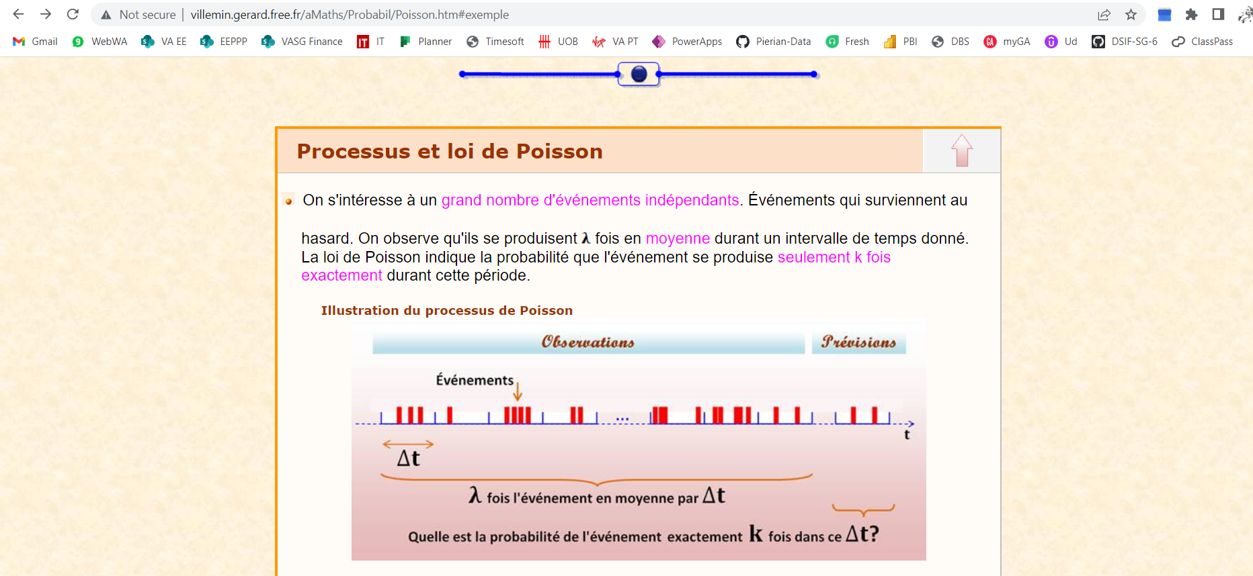
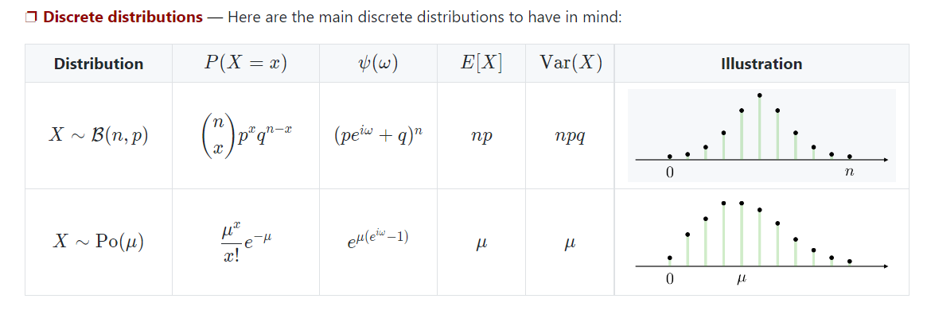
http://villemin.gerard.free.fr/aMaths/Probabil/Poisson.htm#exemple | Quand lambda est grand, la loi de poisson tend vers la loi Binomiale (n,p)

Correlation
 |  | mean(x) | mean(y) |  | x-meanx sum | y-meany sum | Sxy | SSX | SSY | sqSSX | sqSSY
 |  | 156.23529412 | 15.514705882 |  | 0.00 | 0.00 | 53,153 | 1552476.7059 | 6000.9558824 | 1245.9842318 | 77.465836872 | Numerator = | 53,153
x | y |  |  |  |  |  |  |  |  |  |  | denominator | 96521.211246
classes | duration |  |  | Sxy |  |  |  |  |  |  |  | corr | 0.55
0 | 5 | -156.23529412 | -10.514705882 | 1642.7681661 | 24409.467128 | 110.55903979
0 | 10 | -156.23529412 | -5.5147058824 | 861.5916955 | 24409.467128 | 30.411980969
3 | 3 | -153.23529412 | -12.514705882 | 1917.6946367 | 23481.055363 | 156.61786332
3 | 3 | -153.23529412 | -12.514705882 | 1917.6946367 | 23481.055363 | 156.61786332
4 | 10 | -152.23529412 | -5.5147058824 | 839.53287197 | 23175.584775 | 30.411980969
8 | 7 | -148.23529412 | -8.5147058824 | 1262.1799308 | 21973.702422 | 72.500216263
8 | 3 | -148.23529412 | -12.514705882 | 1855.1211073 | 21973.702422 | 156.61786332
9 | 5 | -147.23529412 | -10.514705882 | 1548.1358131 | 21678.231834 | 110.55903979
10 | 10 | -146.23529412 | -5.5147058824 | 806.44463668 | 21384.761246 | 30.411980969
11 | 8 | -145.23529412 | -7.5147058824 | 1091.400519 | 21093.290657 | 56.470804498
19 | 9 | -137.23529412 | -6.5147058824 | 894.04757785 | 18833.525952 | 42.441392734
21 | 9 | -135.23529412 | -6.5147058824 | 881.01816609 | 18288.584775 | 42.441392734
23 | 2 | -133.23529412 | -13.514705882 | 1800.6358131 | 17751.643599 | 182.64727509
24 | 5 | -132.23529412 | -10.514705882 | 1390.4152249 | 17486.17301 | 110.55903979
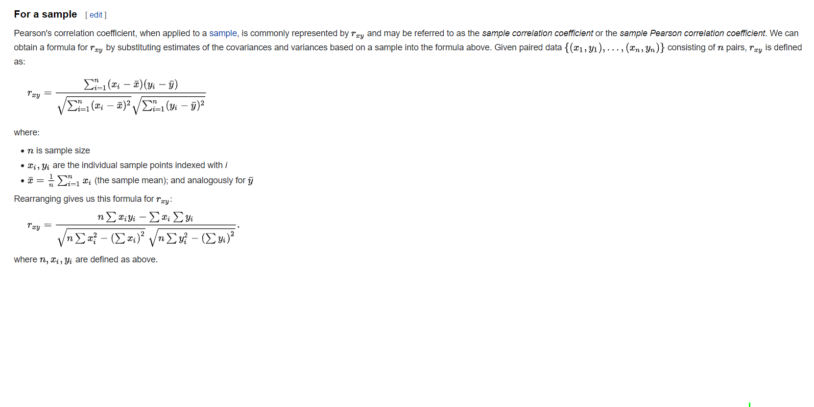
25 | 7 | -131.23529412 | -8.5147058824 | 1117.4299308 | 17222.702422 | 72.500216263
26 | 5 | -130.23529412 | -10.514705882 | 1369.3858131 | 16961.231834 | 110.55903979
28 | 2 | -128.23529412 | -13.514705882 | 1733.0622837 | 16444.290657 | 182.64727509
33 | 8 | -123.23529412 | -7.5147058824 | 926.07698962 | 15186.937716 | 56.470804498
36 | 6 | -120.23529412 | -9.5147058824 | 1144.0034602 | 14456.525952 | 90.529628028
36 | 10 | -120.23529412 | -5.5147058824 | 663.06228374 | 14456.525952 | 30.411980969
38 | 2 | -118.23529412 | -13.514705882 | 1597.9152249 | 13979.584775 | 182.64727509
40 | 3 | -116.23529412 | -12.514705882 | 1454.650519 | 13510.643599 | 156.61786332
43 | 4 | -113.23529412 | -11.514705882 | 1303.8711073 | 12822.231834 | 132.58845156
44 | 3 | -112.23529412 | -12.514705882 | 1404.5916955 | 12596.761246 | 156.61786332
44 | 9 | -112.23529412 | -6.5147058824 | 731.1799308 | 12596.761246 | 42.441392734
45 | 3 | -111.23529412 | -12.514705882 | 1392.0769896 | 12373.290657 | 156.61786332
49 | 3 | -107.23529412 | -12.514705882 | 1342.0181661 | 11499.408304 | 156.61786332
51 | 9 | -105.23529412 | -6.5147058824 | 685.57698962 | 11074.467128 | 42.441392734
51 | 4 | -105.23529412 | -11.514705882 | 1211.7534602 | 11074.467128 | 132.58845156
53 | 15 | -103.23529412 | -0.51470588235 | 53.135813149 | 10657.525952 | 0.26492214533
54 | 20 | -102.23529412 | 4.4852941176 | -458.55536332 | 10452.055363 | 20.117863322
54 | 13 | -102.23529412 | -2.5147058824 | 257.0916955 | 10452.055363 | 6.3237456747
55 | 13 | -101.23529412 | -2.5147058824 | 254.57698962 | 10248.584775 | 6.3237456747
56 | 20 | -100.23529412 | 4.4852941176 | -449.58477509 | 10047.114187 | 20.117863322
58 | 16 | -98.235294118 | 0.48529411765 | -47.673010381 | 9650.1730104 | 0.23551038062
58 | 13 | -98.235294118 | -2.5147058824 | 247.03287197 | 9650.1730104 | 6.3237456747
59 | 19 | -97.235294118 | 3.4852941176 | -338.89359862 | 9454.7024221 | 12.147275087
60 | 18 | -96.235294118 | 2.4852941176 | -239.17301038 | 9261.2318339 | 6.1766868512
60 | 13 | -96.235294118 | -2.5147058824 | 242.00346021 | 9261.2318339 | 6.3237456747
63 | 13 | -93.235294118 | -2.5147058824 | 234.45934256 | 8692.8200692 | 6.3237456747
64 | 18 | -92.235294118 | 2.4852941176 | -229.23183391 | 8507.349481 | 6.1766868512
68 | 12 | -88.235294118 | -3.5147058824 | 310.12110727 | 7785.467128 | 12.353157439
68 | 12 | -88.235294118 | -3.5147058824 | 310.12110727 | 7785.467128 | 12.353157439
72 | 19 | -84.235294118 | 3.4852941176 | -293.58477509 | 7095.5847751 | 12.147275087
76 | 12 | -80.235294118 | -3.5147058824 | 282.00346021 | 6437.7024221 | 12.353157439
81 | 19 | -75.235294118 | 3.4852941176 | -262.21712803 | 5660.349481 | 12.147275087
84 | 10 | -72.235294118 | -5.5147058824 | 398.35640138 | 5217.9377163 | 30.411980969
84 | 18 | -72.235294118 | 2.4852941176 | -179.52595156 | 5217.9377163 | 6.1766868512
85 | 16 | -71.235294118 | 0.48529411765 | -34.570069204 | 5074.467128 | 0.23551038062
85 | 12 | -71.235294118 | -3.5147058824 | 250.37110727 | 5074.467128 | 12.353157439
85 | 17 | -71.235294118 | 1.4852941176 | -105.80536332 | 5074.467128 | 2.2060986159
87 | 11 | -69.235294118 | -4.5147058824 | 312.57698962 | 4793.5259516 | 20.382569204
89 | 18 | -67.235294118 | 2.4852941176 | -167.09948097 | 4520.5847751 | 6.1766868512
91 | 18 | -65.235294118 | 2.4852941176 | -162.12889273 | 4255.6435986 | 6.1766868512
95 | 12 | -61.235294118 | -3.5147058824 | 215.22404844 | 3749.7612457 | 12.353157439
98 | 16 | -58.235294118 | 0.48529411765 | -28.261245675 | 3391.349481 | 0.23551038062
98 | 13 | -58.235294118 | -2.5147058824 | 146.44463668 | 3391.349481 | 6.3237456747
100 | 15 | -56.235294118 | -0.51470588235 | 28.944636678 | 3162.4083045 | 0.26492214533
100 | 15 | -56.235294118 | -0.51470588235 | 28.944636678 | 3162.4083045 | 0.26492214533
100 | 12 | -56.235294118 | -3.5147058824 | 197.65051903 | 3162.4083045 | 12.353157439
102 | 19 | -54.235294118 | 3.4852941176 | -189.02595156 | 2941.467128 | 12.147275087
102 | 23 | -54.235294118 | 7.4852941176 | -405.96712803 | 2941.467128 | 56.029628028
103 | 21 | -53.235294118 | 5.4852941176 | -292.01124567 | 2833.9965398 | 30.088451557
104 | 24 | -52.235294118 | 8.4852941176 | -443.23183391 | 2728.5259516 | 72.000216263
107 | 14 | -49.235294118 | -1.5147058824 | 74.576989619 | 2424.1141869 | 2.29433391
108 | 16 | -48.235294118 | 0.48529411765 | -23.408304498 | 2326.6435986 | 0.23551038062
112 | 12 | -44.235294118 | -3.5147058824 | 155.47404844 | 1956.7612457 | 12.353157439
112 | 24 | -44.235294118 | 8.4852941176 | -375.34948097 | 1956.7612457 | 72.000216263
112 | 13 | -44.235294118 | -2.5147058824 | 111.23875433 | 1956.7612457 | 6.3237456747
114 | 22 | -42.235294118 | 6.4852941176 | -273.9083045 | 1783.8200692 | 42.059039792
115 | 12 | -41.235294118 | -3.5147058824 | 144.9299308 | 1700.349481 | 12.353157439
115 | 21 | -41.235294118 | 5.4852941176 | -226.18771626 | 1700.349481 | 30.088451557
115 | 22 | -41.235294118 | 6.4852941176 | -267.42301038 | 1700.349481 | 42.059039792
115 | 12 | -41.235294118 | -3.5147058824 | 144.9299308 | 1700.349481 | 12.353157439
116 | 21 | -40.235294118 | 5.4852941176 | -220.70242215 | 1618.8788927 | 30.088451557
117 | 14 | -39.235294118 | -1.5147058824 | 59.429930796 | 1539.4083045 | 2.29433391
118 | 17 | -38.235294118 | 1.4852941176 | -56.790657439 | 1461.9377163 | 2.2060986159
119 | 14 | -37.235294118 | -1.5147058824 | 56.400519031 | 1386.467128 | 2.29433391
119 | 13 | -37.235294118 | -2.5147058824 | 93.635813149 | 1386.467128 | 6.3237456747
119 | 13 | -37.235294118 | -2.5147058824 | 93.635813149 | 1386.467128 | 6.3237456747
121 | 19 | -35.235294118 | 3.4852941176 | -122.80536332 | 1241.5259516 | 12.147275087
123 | 15 | -33.235294118 | -0.51470588235 | 17.106401384 | 1104.5847751 | 0.26492214533
125 | 19 | -31.235294118 | 3.4852941176 | -108.86418685 | 975.64359862 | 12.147275087
126 | 20 | -30.235294118 | 4.4852941176 | -135.61418685 | 914.17301038 | 20.117863322
128 | 13 | -28.235294118 | -2.5147058824 | 71.003460208 | 797.23183391 | 6.3237456747
130 | 13 | -26.235294118 | -2.5147058824 | 65.974048443 | 688.29065744 | 6.3237456747
131 | 14 | -25.235294118 | -1.5147058824 | 38.224048443 | 636.8200692 | 2.29433391
133 | 12 | -23.235294118 | -3.5147058824 | 81.665224913 | 539.87889273 | 12.353157439
133 | 18 | -23.235294118 | 2.4852941176 | -57.746539792 | 539.87889273 | 6.1766868512
133 | 19 | -23.235294118 | 3.4852941176 | -80.98183391 | 539.87889273 | 12.147275087
135 | 15 | -21.235294118 | -0.51470588235 | 10.929930796 | 450.93771626 | 0.26492214533
139 | 17 | -17.235294118 | 1.4852941176 | -25.599480969 | 297.05536332 | 2.2060986159
139 | 20 | -17.235294118 | 4.4852941176 | -77.305363322 | 297.05536332 | 20.117863322
141 | 18 | -15.235294118 | 2.4852941176 | -37.864186851 | 232.11418685 | 6.1766868512
143 | 15 | -13.235294118 | -0.51470588235 | 6.812283737 | 175.17301038 | 0.26492214533
144 | 22 | -12.235294118 | 6.4852941176 | -79.349480969 | 149.70242215 | 42.059039792
147 | 17 | -9.2352941176 | 1.4852941176 | -13.717128028 | 85.290657439 | 2.2060986159
148 | 18 | -8.2352941176 | 2.4852941176 | -20.467128028 | 67.820069204 | 6.1766868512
148 | 12 | -8.2352941176 | -3.5147058824 | 28.944636678 | 67.820069204 | 12.353157439
149 | 13 | -7.2352941176 | -2.5147058824 | 18.194636678 | 52.349480969 | 6.3237456747
153 | 18 | -3.2352941176 | 2.4852941176 | -8.0406574394 | 10.467128028 | 6.1766868512
154 | 24 | -2.2352941176 | 8.4852941176 | -18.967128028 | 4.9965397924 | 72.000216263
155 | 15 | -1.2352941176 | -0.51470588235 | 0.63581314879 | 1.5259515571 | 0.26492214533
156 | 20 | -0.23529411765 | 4.4852941176 | -1.0553633218 | 0.055363321799 | 20.117863322
158 | 16 | 1.7647058824 | 0.48529411765 | 0.85640138408 | 3.1141868512 | 0.23551038062
158 | 13 | 1.7647058824 | -2.5147058824 | -4.437716263 | 3.1141868512 | 6.3237456747
159 | 13 | 2.7647058824 | -2.5147058824 | -6.9524221453 | 7.6435986159 | 6.3237456747
159 | 24 | 2.7647058824 | 8.4852941176 | 23.459342561 | 7.6435986159 | 72.000216263
159 | 14 | 2.7647058824 | -1.5147058824 | -4.187716263 | 7.6435986159 | 2.29433391
159 | 18 | 2.7647058824 | 2.4852941176 | 6.8711072664 | 7.6435986159 | 6.1766868512
160 | 21 | 3.7647058824 | 5.4852941176 | 20.650519031 | 14.173010381 | 30.088451557
163 | 14 | 6.7647058824 | -1.5147058824 | -10.246539792 | 45.761245675 | 2.29433391
163 | 17 | 6.7647058824 | 1.4852941176 | 10.047577855 | 45.761245675 | 2.2060986159
164 | 13 | 7.7647058824 | -2.5147058824 | -19.525951557 | 60.290657439 | 6.3237456747
165 | 23 | 8.7647058824 | 7.4852941176 | 65.606401384 | 76.820069204 | 56.029628028
167 | 16 | 10.764705882 | 0.48529411765 | 5.2240484429 | 115.87889273 | 0.23551038062
167 | 22 | 10.764705882 | 6.4852941176 | 69.812283737 | 115.87889273 | 42.059039792
168 | 17 | 11.764705882 | 1.4852941176 | 17.474048443 | 138.4083045 | 2.2060986159
177 | 12 | 20.764705882 | -3.5147058824 | -72.98183391 | 431.17301038 | 12.353157439
178 | 16 | 21.764705882 | 0.48529411765 | 10.562283737 | 473.70242215 | 0.23551038062
182 | 13 | 25.764705882 | -2.5147058824 | -64.790657439 | 663.8200692 | 6.3237456747
183 | 13 | 26.764705882 | -2.5147058824 | -67.305363322 | 716.34948097 | 6.3237456747
183 | 24 | 26.764705882 | 8.4852941176 | 227.10640138 | 716.34948097 | 72.000216263
184 | 13 | 27.764705882 | -2.5147058824 | -69.820069204 | 770.87889273 | 6.3237456747
184 | 21 | 27.764705882 | 5.4852941176 | 152.29757785 | 770.87889273 | 30.088451557
185 | 14 | 28.764705882 | -1.5147058824 | -43.570069204 | 827.4083045 | 2.29433391
186 | 16 | 29.764705882 | 0.48529411765 | 14.444636678 | 885.93771626 | 0.23551038062
187 | 15 | 30.764705882 | -0.51470588235 | -15.834775087 | 946.46712803 | 0.26492214533
190 | 24 | 33.764705882 | 8.4852941176 | 286.50346021 | 1140.0553633 | 72.000216263
190 | 16 | 33.764705882 | 0.48529411765 | 16.385813149 | 1140.0553633 | 0.23551038062
194 | 22 | 37.764705882 | 6.4852941176 | 244.91522491 | 1426.1730104 | 42.059039792
197 | 19 | 40.764705882 | 3.4852941176 | 142.07698962 | 1661.7612457 | 12.147275087
198 | 13 | 41.764705882 | -2.5147058824 | -105.02595156 | 1744.2906574 | 6.3237456747
202 | 22 | 45.764705882 | 6.4852941176 | 296.79757785 | 2094.4083045 | 42.059039792
206 | 24 | 49.764705882 | 8.4852941176 | 422.26816609 | 2476.5259516 | 72.000216263
206 | 17 | 49.764705882 | 1.4852941176 | 73.915224913 | 2476.5259516 | 2.2060986159
208 | 22 | 51.764705882 | 6.4852941176 | 335.70934256 | 2679.5847751 | 42.059039792
215 | 23 | 58.764705882 | 7.4852941176 | 439.87110727 | 3453.2906574 | 56.029628028
216 | 15 | 59.764705882 | -0.51470588235 | -30.761245675 | 3571.8200692 | 0.26492214533
217 | 22 | 60.764705882 | 6.4852941176 | 394.07698962 | 3692.349481 | 42.059039792
217 | 15 | 60.764705882 | -0.51470588235 | -31.275951557 | 3692.349481 | 0.26492214533
217 | 18 | 60.764705882 | 2.4852941176 | 151.01816609 | 3692.349481 | 6.1766868512
218 | 24 | 61.764705882 | 8.4852941176 | 524.0916955 | 3814.8788927 | 72.000216263
221 | 23 | 64.764705882 | 7.4852941176 | 484.78287197 | 4194.467128 | 56.029628028
222 | 21 | 65.764705882 | 5.4852941176 | 360.73875433 | 4324.9965398 | 30.088451557
224 | 14 | 67.764705882 | -1.5147058824 | -102.64359862 | 4592.0553633 | 2.29433391
227 | 12 | 70.764705882 | -3.5147058824 | -248.71712803 | 5007.6435986 | 12.353157439
227 | 17 | 70.764705882 | 1.4852941176 | 105.10640138 | 5007.6435986 | 2.2060986159
228 | 13 | 71.764705882 | -2.5147058824 | -180.46712803 | 5150.1730104 | 6.3237456747
228 | 13 | 71.764705882 | -2.5147058824 | -180.46712803 | 5150.1730104 | 6.3237456747
228 | 19 | 71.764705882 | 3.4852941176 | 250.12110727 | 5150.1730104 | 12.147275087
229 | 23 | 72.764705882 | 7.4852941176 | 544.66522491 | 5294.7024221 | 56.029628028
230 | 22 | 73.764705882 | 6.4852941176 | 478.38581315 | 5441.2318339 | 42.059039792
232 | 17 | 75.764705882 | 1.4852941176 | 112.53287197 | 5740.2906574 | 2.2060986159
233 | 17 | 76.764705882 | 1.4852941176 | 114.01816609 | 5892.8200692 | 2.2060986159
237 | 14 | 80.764705882 | -1.5147058824 | -122.33477509 | 6522.9377163 | 2.29433391
238 | 20 | 81.764705882 | 4.4852941176 | 366.73875433 | 6685.467128 | 20.117863322
238 | 20 | 81.764705882 | 4.4852941176 | 366.73875433 | 6685.467128 | 20.117863322
238 | 13 | 81.764705882 | -2.5147058824 | -205.61418685 | 6685.467128 | 6.3237456747
240 | 18 | 83.764705882 | 2.4852941176 | 208.1799308 | 7016.5259516 | 6.1766868512
241 | 21 | 84.764705882 | 5.4852941176 | 464.95934256 | 7185.0553633 | 30.088451557
247 | 23 | 90.764705882 | 7.4852941176 | 679.40051903 | 8238.2318339 | 56.029628028
248 | 18 | 91.764705882 | 2.4852941176 | 228.06228374 | 8420.7612457 | 6.1766868512
250 | 12 | 93.764705882 | -3.5147058824 | -329.55536332 | 8791.8200692 | 12.353157439
251 | 17 | 94.764705882 | 1.4852941176 | 140.75346021 | 8980.349481 | 2.2060986159
251 | 23 | 94.764705882 | 7.4852941176 | 709.3416955 | 8980.349481 | 56.029628028
251 | 22 | 94.764705882 | 6.4852941176 | 614.57698962 | 8980.349481 | 42.059039792
252 | 12 | 95.764705882 | -3.5147058824 | -336.58477509 | 9170.8788927 | 12.353157439
253 | 22 | 96.764705882 | 6.4852941176 | 627.54757785 | 9363.4083045 | 42.059039792
254 | 13 | 97.764705882 | -2.5147058824 | -245.84948097 | 9557.9377163 | 6.3237456747
255 | 19 | 98.764705882 | 3.4852941176 | 344.22404844 | 9754.467128 | 12.147275087
256 | 22 | 99.764705882 | 6.4852941176 | 647.00346021 | 9952.9965398 | 42.059039792
257 | 18 | 100.76470588 | 2.4852941176 | 250.4299308 | 10153.525952 | 6.1766868512
257 | 19 | 100.76470588 | 3.4852941176 | 351.19463668 | 10153.525952 | 12.147275087
259 | 14 | 102.76470588 | -1.5147058824 | -155.6583045 | 10560.584775 | 2.29433391
260 | 17 | 103.76470588 | 1.4852941176 | 154.12110727 | 10767.114187 | 2.2060986159
260 | 13 | 103.76470588 | -2.5147058824 | -260.93771626 | 10767.114187 | 6.3237456747
260 | 16 | 103.76470588 | 0.48529411765 | 50.356401384 | 10767.114187 | 0.23551038062
263 | 12 | 106.76470588 | -3.5147058824 | -375.24653979 | 11398.702422 | 12.353157439
265 | 15 | 108.76470588 | -0.51470588235 | -55.98183391 | 11829.761246 | 0.26492214533
266 | 14 | 109.76470588 | -1.5147058824 | -166.26124567 | 12048.290657 | 2.29433391
266 | 22 | 109.76470588 | 6.4852941176 | 711.85640138 | 12048.290657 | 42.059039792
271 | 23 | 114.76470588 | 7.4852941176 | 859.04757785 | 13170.937716 | 56.029628028
275 | 15 | 118.76470588 | -0.51470588235 | -61.128892734 | 14105.055363 | 0.26492214533
276 | 17 | 119.76470588 | 1.4852941176 | 177.88581315 | 14343.584775 | 2.2060986159
277 | 23 | 120.76470588 | 7.4852941176 | 903.95934256 | 14584.114187 | 56.029628028
277 | 17 | 120.76470588 | 1.4852941176 | 179.37110727 | 14584.114187 | 2.2060986159
285 | 21 | 128.76470588 | 5.4852941176 | 706.31228374 | 16580.349481 | 30.088451557
287 | 24 | 130.76470588 | 8.4852941176 | 1109.5769896 | 17099.408304 | 72.000216263
287 | 22 | 130.76470588 | 6.4852941176 | 848.04757785 | 17099.408304 | 42.059039792
289 | 20 | 132.76470588 | 4.4852941176 | 595.48875433 | 17626.467128 | 20.117863322
291 | 22 | 134.76470588 | 6.4852941176 | 873.98875433 | 18161.525952 | 42.059039792
296 | 15 | 139.76470588 | -0.51470588235 | -71.937716263 | 19534.17301 | 0.26492214533
299 | 14 | 142.76470588 | -1.5147058824 | -216.24653979 | 20381.761246 | 2.29433391
301 | 14 | 144.76470588 | -1.5147058824 | -219.27595156 | 20956.820069 | 2.29433391
303 | 19 | 146.76470588 | 3.4852941176 | 511.51816609 | 21539.878893 | 12.147275087
304 | 20 | 147.76470588 | 4.4852941176 | 662.76816609 | 21834.408304 | 20.117863322
304 | 24 | 147.76470588 | 8.4852941176 | 1253.8269896 | 21834.408304 | 72.000216263
307 | 16 | 150.76470588 | 0.48529411765 | 73.165224913 | 22729.99654 | 0.23551038062
310 | 15 | 153.76470588 | -0.51470588235 | -79.143598616 | 23643.584775 | 0.26492214533
311 | 15 | 154.76470588 | -0.51470588235 | -79.658304498 | 23952.114187 | 0.26492214533
311 | 20 | 154.76470588 | 4.4852941176 | 694.16522491 | 23952.114187 | 20.117863322
314 | 15 | 157.76470588 | -0.51470588235 | -81.202422145 | 24889.702422 | 0.26492214533
316 | 12 | 159.76470588 | -3.5147058824 | -561.52595156 | 25524.761246 | 12.353157439

Log transformation
X | Y
1 | 4 | 0.60205999133 | 1.3862943611 | 0.60205999133
1.1 | 4 | 0.60205999133
1.2 | 4 | 0.60205999133
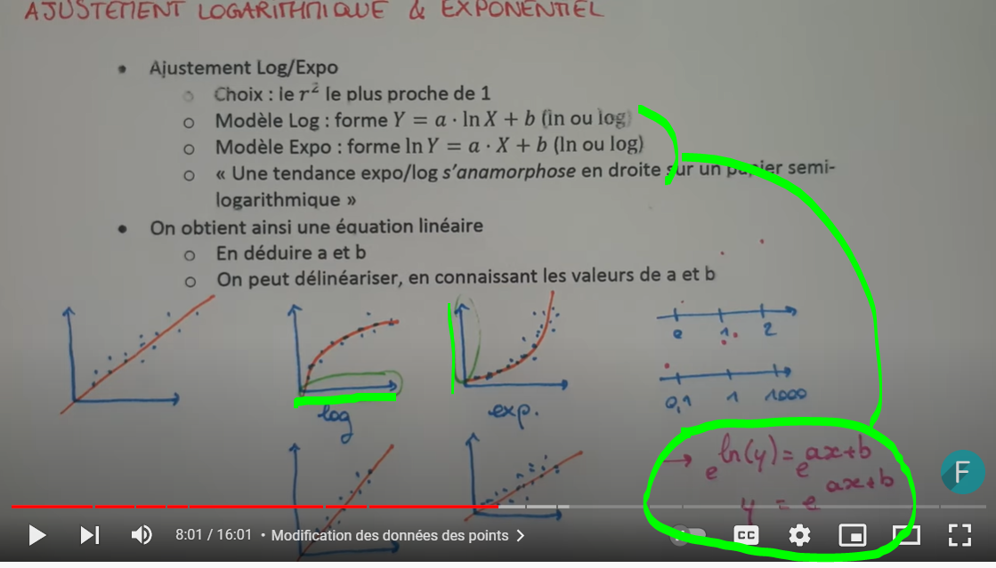
1.3 | 4 | 0.60205999133
1.4 | 4 | 0.60205999133
1.5 | 4 | 0.60205999133
1.6 | 5 | 0.69897000434
1.7 | 5 | 0.69897000434
1.8 | 5 | 0.69897000434
1.9 | 5 | 0.69897000434
2 | 5 | 0.69897000434
2.1 | 5 | 0.69897000434
2.2 | 5 | 0.69897000434
2.3 | 5 | 0.69897000434
2.4 | 5 | 0.69897000434
2.5 | 5 | 0.69897000434
2.6 | 5 | 0.69897000434
2.7 | 5 | 0.69897000434
2.8 | 5 | 0.69897000434
2.9 | 6 | 0.77815125038
3 | 6 | 0.77815125038
3.1 | 6 | 0.77815125038
3.2 | 6 | 0.77815125038
3.3 | 6 | 0.77815125038
3.4 | 6 | 0.77815125038
3.5 | 6 | 0.77815125038
3.6 | 6 | 0.77815125038
3.7 | 6 | 0.77815125038
3.8 | 6 | 0.77815125038
3.9 | 6 | 0.77815125038
4 | 5 | 0.69897000434
4.1 | 5 | 0.69897000434
4.2 | 5 | 0.69897000434
4.3 | 5 | 0.69897000434
4.4 | 5 | 0.69897000434
4.5 | 5 | 0.69897000434
4.6 | 5 | 0.69897000434
4.7 | 5 | 0.69897000434
4.8 | 5 | 0.69897000434
4.9 | 5 | 0.69897000434
5 | 5 | 0.69897000434
5.1 | 4 | 0.60205999133
5.2 | 4 | 0.60205999133
5.3 | 4 | 0.60205999133
5.4 | 4 | 0.60205999133
5.5 | 4 | 0.60205999133
5.6 | 4 | 0.60205999133
5.7 | 4 | 0.60205999133
5.8 | 4 | 0.60205999133
5.9 | 4 | 0.60205999133
6 | 4 | 0.60205999133
6.1 | 4 | 0.60205999133
6.2 | 3 | 0.47712125472
6.3 | 3 | 0.47712125472
6.4 | 3 | 0.47712125472
6.5 | 3 | 0.47712125472
6.6 | 3 | 0.47712125472
6.7 | 3 | 0.47712125472
6.8 | 3 | 0.47712125472
6.9 | 3 | 0.47712125472
7 | 3 | 0.47712125472
7.1 | 3 | 0.47712125472
7.2 | 3 | 0.47712125472
7.3 | 2 | 0.30102999566
7.4 | 2 | 0.30102999566
7.5 | 2 | 0.30102999566
7.6 | 2 | 0.30102999566
7.7 | 2 | 0.30102999566
7.8 | 2 | 0.30102999566
7.9 | 2 | 0.30102999566
8 | 2 | 0.30102999566
8.1 | 2 | 0.30102999566
8.2 | 2 | 0.30102999566
8.3 | 2 | 0.30102999566
8.4 | 1 | 0
8.5 | 1 | 0

Confidence intervals
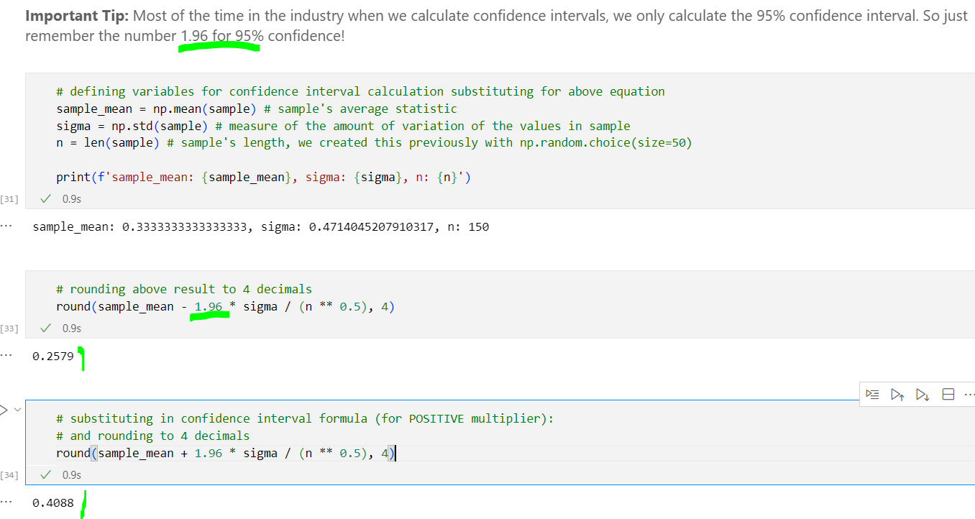
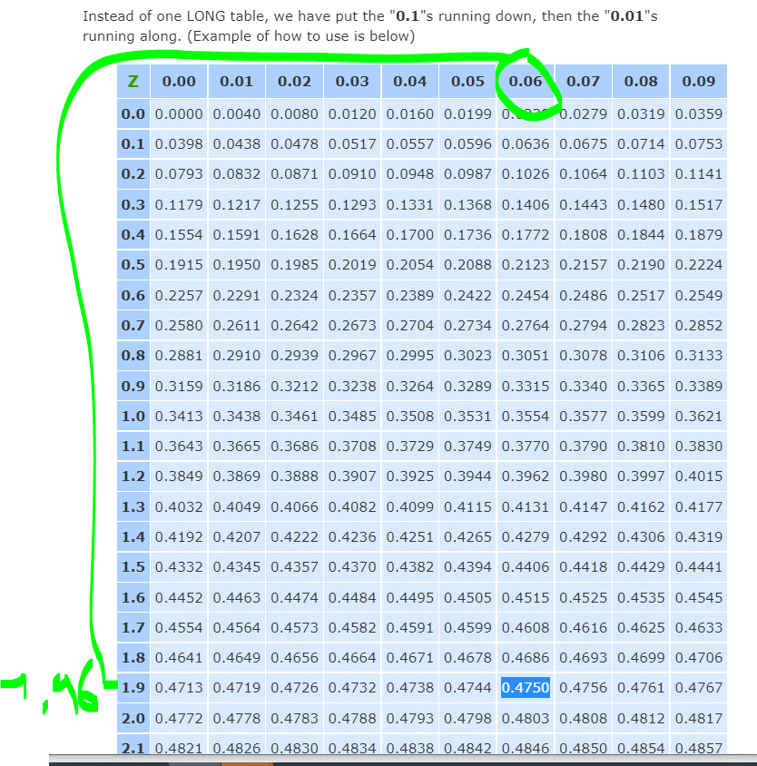
Is the confidence that your SAMPLE represents the POPULATION correctly
https://www.statisticshowto.com/probability-and-statistics/confidence-interval/

2 ways: theoretical way with z-score

bootstrap: | think about your onion
 | onion = full population = 1000 voters
 | 1st layer is your sample = 50
 | we call this sample "new population"
 | we draw subsets from this "new population" WITH REPLACEMENT
 | we call these subsets k-statistics

 | Formula =

In Python:

Hypothesis testing
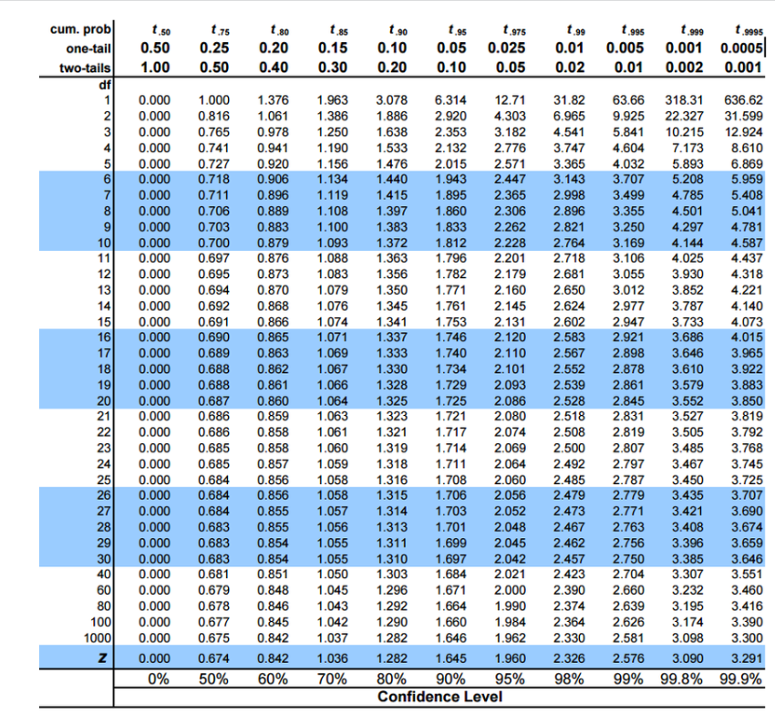
Scipy is our friend |  | from scipy import stats
Define your matrices
X = houses[['sqft', 'bedrooms','age']] # X is now a subset df with column, values from only these 3 cols
y = houses['price'] # y is now a series with only values from this 1 col

X = sm.add_constant(X, prepend=True) # Add a column of ones to first col of X -> print X to see. This is done to let statsmodels know that we want the intercept of linear equation (more details soon)
results = sm.OLS(y, X).fit() # OLS: ordinary least squares, fits a simple linear reg model with OLS

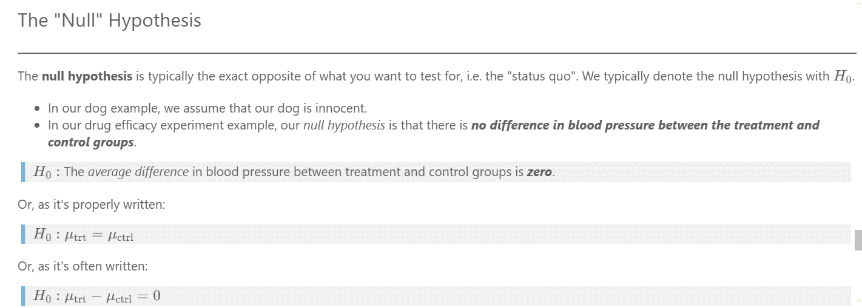

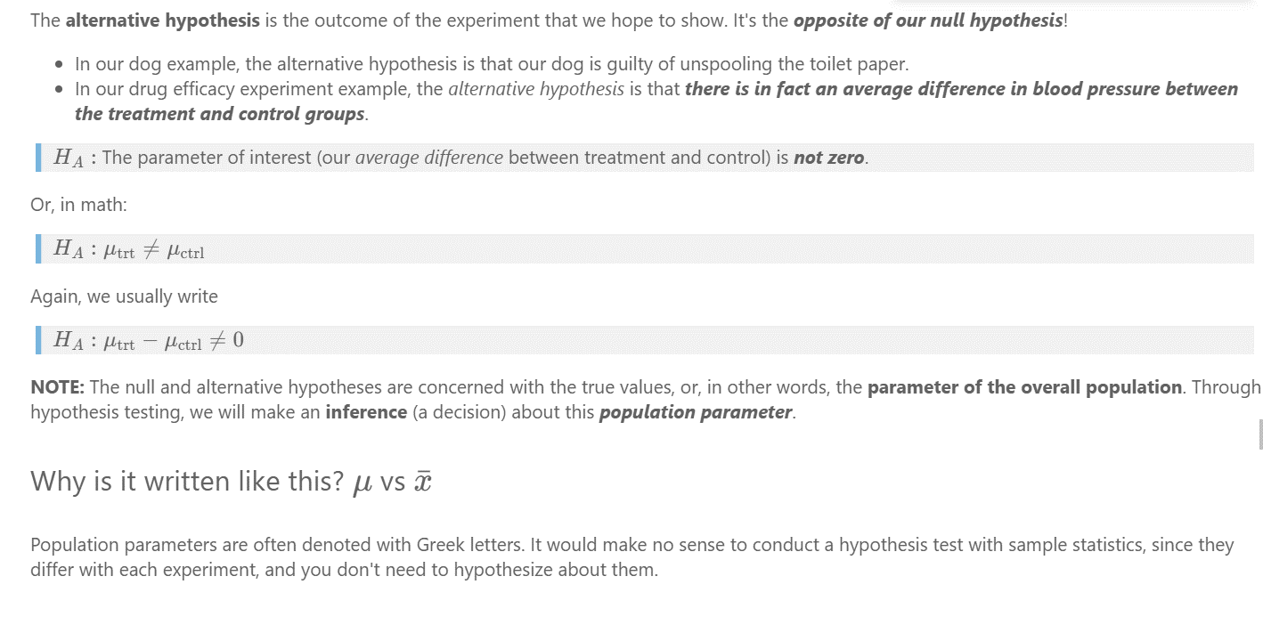



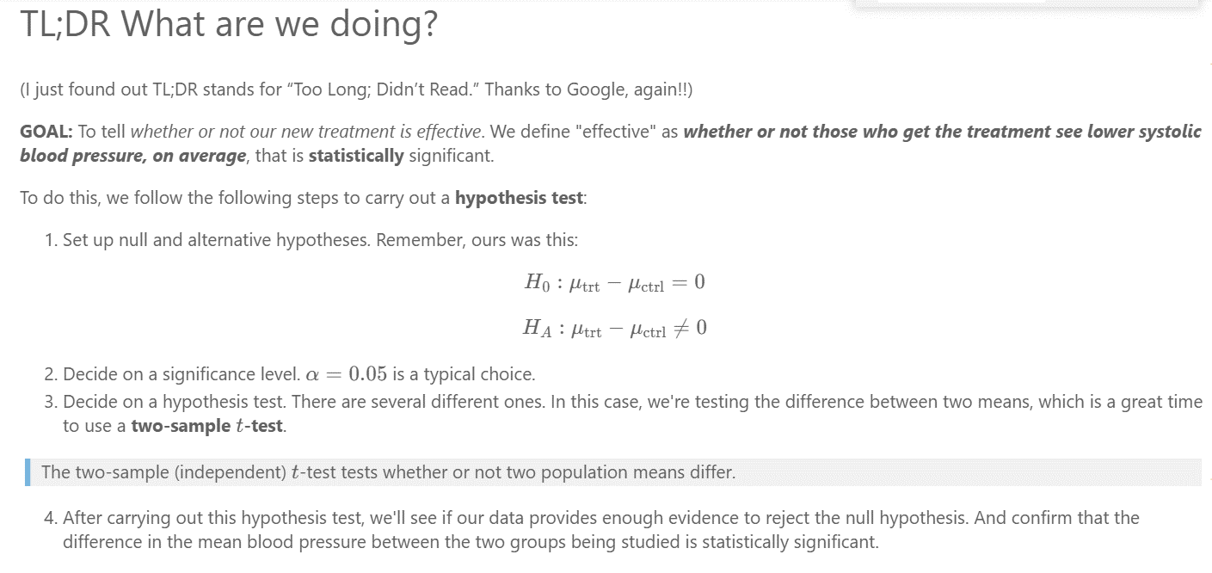

 | Must compared our t-value ( t-statistic) vs our p-value

